BS
 | 2021 | 2022 | 2023 | 2024 | 2025 | 2026F | 2027F | 2028F | 2029F | 2030F
ASSETS
A. CURRENT ASSETS | 26,866.73 | 33,587.47 | 40,826.97 | 38,577.51 | 49,719.15 | 52,804.82 | 55,076.65 | 60,951.20 | 62,088.65 | 70,033.96
I. Cash and cash equivalents | 1,868.25 | 1,858.26 | 5,050.74 | 4,558.98 | 10,986.58 | 6,955.20 | 7,167.42 | 7,610.01 | 8,171.92 | 7,150.34
1. Cash | 983.30 | 895.29 | 2,427.79 | 4,028.73 | 10,899.47 | 6,955.20 | 7,167.42 | 7,610.01 | 8,171.92 | 7,150.34
2. Cash equivalents | 884.95 | 962.98 | 2,622.95 | 530.25 | 87.11
II. Short-term investments | 859.48 | 687.78 | 613.34 | 3,825.83 | 2,697.57 | 3,448.79 | 3,885.00 | 4,347.32 | 4,710.23 | 5,360.14
2. Provision for impairment | (135.00) | (490.00) | (486.45) | (386.80) | (450.00) | (450.00) | (450.00) | (450.00) | (450.00) | (450.00)
III. Receivables | 23,261.09 | 29,729.80 | 34,243.07 | 27,945.46 | 33,547.33 | 39,330.39 | 40,517.41 | 44,961.71 | 44,734.59 | 52,251.72
1. Short-term trade receivables | 11,452.45 | 12,402.31 | 12,316.75 | 11,364.96 | 13,684.61 | 16,790.79 | 16,632.25 | 19,843.99 | 18,841.56 | 24,097.00
2. Short-term prepayments to suppliers | 100.11 | 1,626.23 | 1,778.87 | 769.37 | 1,874.09 | 2,157.25 | 2,055.38 | 2,589.86 | 2,695.88 | 2,975.62
3. Periodic contributions for maintenance of leased aircraft | 2,417.74 | 1,927.80 | 2,044.49 | 4,104.94 | 7,571.02 | 9,160.94 | 10,381.38 | 11,130.79 | 12,021.25 | 13,639.01
4. Other short-term receivables from related parties | 5,275.39 | 4,169.92 | 3,988.50 | 2,345.48 | 5,362.80 | 5,362.80 | 4,647.10 | 3,931.40 | 3,215.70 | 2,500.00
5. Short-term loan receivables | 657.00 | 657.00 | 457.00 | 1,633.71 | 1,724.17 | 1,736.35 | 2,280.58 | 2,424.55 | 2,540.27 | 2,951.09
6. Other short-term receivables (transfers, cooperation, settlements, …) | 3,358.41 | 8,946.55 | 13,657.46 | 7,954.36 | 3,483.98 | 4,291.60 | 4,771.76 | 5,280.66 | 5,680.13 | 6,395.53
IV. Inventories | 811.25 | 982.72 | 703.38 | 2,005.44 | 2,194.10 | 2,711.72 | 3,114.06 | 3,591.83 | 3,999.92 | 4,741.38
V. Other current assets | 66.66 | 328.92 | 216.43 | 241.80 | 293.57 | 358.72 | 392.76 | 440.33 | 471.98 | 530.38
B. NON-CURRENT ASSETS | 24,786.97 | 34,449.49 | 46,098.45 | 60,737.75 | 89,671.86 | 96,739.85 | 102,446.58 | 102,612.99 | 98,642.08 | 93,680.42
I. Long-term receivables | 16,889.29 | 21,238.15 | 26,305.73 | 35,105.70 | 28,355.82 | 32,687.39 | 35,899.09 | 38,255.96 | 40,553.68 | 44,292.36
1. Long-term trade receivables | - | 3,863.32 | 1,942.10 | 4,648.33 | 4,941.23 | 5,325.78 | 6,647.90 | 7,133.17 | 7,545.04 | 8,681.52 | - | -
2. Long-term prepayments to suppliers | - | 1,132.64 | 6,115.74 | 5,537.44 | 3,525.42 | 3,912.08 | 4,111.89 | 4,270.43 | 4,428.77 | 4,575.40
3. Periodic contributions to maintenance fund | 7,095.85 | 9,261.66 | 10,921.77 | 12,563.93 | 10,523.50 | 11,514.13 | 12,290.95 | 12,864.40 | 13,462.59 | 14,275.36
4. Other long-term receivables from related parties | 2,419.95 | 567.13 | 783.52 | 4,823.28 | 1,332.50 | 1,332.50 | 1,332.50 | 1,332.50 | 1,332.50 | 1,332.50
5. Long-term loan receivables | 789.65 | 868.22 | 874.77 | 921.64 | 899.55 | 1,305.98 | 1,374.17 | 1,497.05 | 1,658.20 | 1,840.64
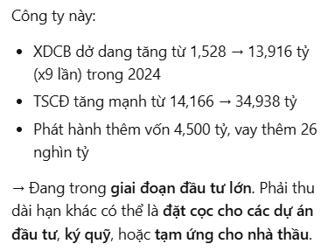
6. Other long-term receivables (deposits, settlements, ..) | 6,583.84 | 5,545.18 | 5,667.84 | 6,611.07 | 7,133.61 | 9,296.92 | 10,141.68 | 11,158.41 | 12,126.57 | 13,586.94
7. Provision for impairment | - | - | - | - | - | - | - | - | - | -
II. Fixed assets | 1,158.45 | 5,709.72 | 10,173.34 | 14,166.24 | 34,938.48 | 36,749.55 | 40,362.75 | 38,874.35 | 34,185.75 | 26,564.16
1. Tangible assets | 1,150.35 | 5,681.33 | 3,990.62 | 8,284.22 | 24,091.73 | 25,544.97 | 28,731.54 | 26,744.04 | 21,502.83 | 13,220.27
2. Intangible assets | 8.10 | 28.39 | 47.30 | 55.69 | 5,329.48 | 5,956.04 | 6,651.42 | 7,419.25 | 8,240.61 | 9,170.31
3. Finance lease assets | - | - | 6,135.42 | 5,826.33 | 5,517.28 | 5,248.54 | 4,979.80 | 4,711.06 | 4,442.32 | 4,173.58
III. Construction in progress | 500.76 | 308.75 | 380.64 | 1,528.21 | 13,916.53 | 12,267.17 | 9,655.87 | 6,870.92 | 4,030.26 | 534.77
IV. Investment property | - | - | - | - | - | - | - | - | - | -
V. Long-term investments | 149.42 | 149.42 | 149.42 | 149.42 | 149.42 | 149.42 | 298.83 | 298.83 | 298.83 | 298.83
VI. Other long-term assets | 6,089.05 | 7,043.46 | 9,089.33 | 9,788.18 | 12,311.62 | 14,886.33 | 16,230.03 | 18,312.93 | 19,573.56 | 21,990.29
VI. Goodwill | - | - | - | - | - | - | - | - | - | -
TOTAL ASSETS | 51,653.70 | 68,036.96 | 86,925.42 | 99,315.25 | 139,391.01 | 149,544.67 | 157,523.23 | 163,564.18 | 160,730.73 | 163,714.38
RESOURCES
C. LIABILITIES | 34,799.49 | 53,138.67 | 71,672.28 | 82,196.54 | 114,581.83 | 123,563.21 | 128,497.31 | 130,248.26 | 120,930.55 | 116,523.27
I. Current liabilities | 15,522.18 | 30,417.32 | 38,861.48 | 33,506.38 | 46,604.74 | 53,800.32 | 54,311.56 | 57,018.34 | 59,775.88 | 63,393.64
1. Short-term borrowings | 7,320.07 | 8,549.90 | 13,553.79 | 12,460.11 | 26,056.14 | 23,895.99 | 23,122.58 | 22,263.32 | 21,536.38 | 20,611.04
2. Trade payables | 3,241.43 | 9,659.94 | 8,805.30 | 6,194.94 | 4,769.47 | 6,942.27 | 7,748.87 | 8,718.21 | 9,472.81 | 11,002.60
3. Advances from customers | 544.90 | 1,986.66 | 3,546.08 | 1,515.56 | 1,758.26 | 3,479.85 | 2,880.87 | 3,378.31 | 3,889.63 | 4,110.75
4. Taxes and amounts payable to the State | 288.71 | 358.42 | 449.81 | 279.88 | 112.35 | 436.97 | 358.84 | 368.36 | 467.24 | 484.39
5. Accrued expenses | 1,010.99 | 1,045.21 | 2,081.49 | 2,661.71 | 3,379.67 | 3,835.66 | 4,349.23 | 4,885.09 | 5,169.49 | 5,855.41
6. Unearned revenue | 381.58 | 3,503.45 | 3,600.02 | 4,253.05 | 5,178.80 | 6,196.29 | 6,873.36 | 7,693.41 | 8,219.43 | 9,261.53
7. Other short-term payables | 1,092.83 | 3,409.08 | 4,157.25 | 3,777.01 | 2,753.09 | 5,299.51 | 5,185.91 | 5,477.57 | 6,359.74 | 6,915.11
8. Provision for short-term payables | 1,314.54 | 1,758.37 | 2,662.25 | 2,355.40 | 2,585.30 | 3,701.72 | 3,777.57 | 4,217.94 | 4,644.37 | 5,133.60
9. Bonus and welfare fund | 327.15 | 146.29 | 5.49 | 8.73 | 11.67 | 12.05 | 14.34 | 16.12 | 16.79 | 19.21
II. Long-term liabilities | 19,277.31 | 22,721.35 | 32,810.80 | 48,690.16 | 67,977.09 | 69,762.90 | 74,185.74 | 73,229.92 | 61,154.66 | 53,129.63
1. Long-term borrowings | 8,140.24 | 10,309.75 | 17,257.04 | 30,052.39 | 42,943.55 | 41,777.49 | 42,689.04 | 37,485.18 | 23,494.22 | 10,493.13
2. Long-term payables | - | - | - | - | - | - | - | - | - | -
3. Unemployment allowance | - | - | - | - | - | - | - | - | - | -
4. Other long-term payables | 205.37 | 69.13 | 1.62 | 1,332.90 | 7,589.63 | 3,740.89 | 5,544.87 | 7,414.29 | 6,508.94 | 7,913.35
5. Provision for long-term payables | 10,931.70 | 12,342.48 | 15,552.14 | 17,304.87 | 17,443.91 | 24,244.52 | 25,951.84 | 28,330.46 | 31,151.50 | 34,723.16
D. OWNERS' EQUITY | 16,854.21 | 14,898.29 | 15,253.14 | 17,118.71 | 24,809.18 | 25,981.46 | 29,025.92 | 33,315.92 | 39,800.18 | 47,191.11
I. Owners' equity | 16,854.21 | 14,898.29 | 15,253.14 | 17,118.71 | 24,809.18 | 25,981.46 | 29,025.92 | 33,315.92 | 39,800.18 | 47,191.11
1. Owners' contributed capital | 5,416.11 | 5,416.11 | 5,416.11 | 5,416.11 | 5,916.11 | 7,690.95 | 7,690.95 | 7,690.95 | 7,690.95 | 7,690.95
2. Share premium | 247.48 | 247.48 | 247.48 | 247.48 | 4,747.38 | 4,747.38 | 4,747.38 | 4,747.38 | 4,747.38 | 4,747.38
3. Other capital | - | - | - | - | - | - | - | - | - | -
4. Treasury shares | - | - | - | - | - | - | - | - | - | -
5. Foreign exchange differences | (110.73) | 195.33 | 318.76 | 780.33 | 1,325.92 | 1,325.92 | 1,325.92 | 1,325.92 | 1,325.92 | 1,325.92
6. Retained earnings and reserves | 11,281.43 | 9,018.93 | 9,249.52 | 10,652.69 | 12,775.22 | 12,172.66 | 15,217.13 | 19,507.12 | 25,991.39 | 33,382.31
7. Non-controlling interests | 19.91 | 20.44 | 21.26 | 22.10 | 44.54 | 44.54 | 44.54 | 44.54 | 44.54 | 44.54
TOTAL RESOURCES | 51,653.70 | 68,036.96 | 86,925.42 | 99,315.25 | 139,391.01 | 149,544.67 | 157,523.23 | 163,564.18 | 160,730.73 | 163,714.38

Check | (0.00) | 0.00 | 0.00 | - | (0.00) | (0.00) | 0.00 | 0.00 | 0.00 | 0.00

 | 2021 | 2022 | 2023 | 2024 | 2025 | 2026F | 2027F | 2028F | 2029F | 2030F
ASSETS
A. CURRENT ASSETS | 208.67% | 83.67% | 69.98% | 53.55% | 60.56%
I. Cash and cash equivalents | 14.51% | 4.63% | 8.66% | 6.33% | 13.38%
1. Cash | 7.64% | 2.23% | 4.16% | 5.59% | 13.28%
2. Cash equivalents | 6.87% | 2.40% | 4.50% | 0.74% | 0.11%
II. Short-term investments | 6.68% | 1.71% | 1.05% | 5.31% | 3.29%
1. Short-term investments | 7.72% | 2.93% | 1.89% | 5.85% | 3.83% | 3.86% | 3.86% | 3.86% | 3.86% | 3.86%
2. Provision for impairment | -1.05% | -1.22% | -0.83% | -0.54% | -0.55% | -0.64% | -0.64% | -0.64% | -0.64% | -0.64%
III. Receivables | 180.67% | 74.06% | 58.70% | 38.79% | 40.87%
1. Short-term trade receivables | 88.95% | 30.90% | 21.11% | 15.77% | 16.67% | 16.22% | 16.45% | 16.33% | 16.39% | 16.36%
2. Short-term prepayments to suppliers | 0.78% | 4.05% | 3.05% | 1.07% | 2.28% | 2.13% | 1.83% | 2.08% | 2.01% | 1.97%
3. Periodic maintenance contributions | 18.78% | 4.80% | 3.50% | 5.70% | 9.22%
4. Other short-term receivables from related parties | 40.97% | 10.39% | 6.84% | 3.26% | 6.53%
5. Short-term loan receivables | 5.10% | 1.64% | 0.78% | 2.27% | 2.10% | 1.72% | 2.03% | 1.95% | 1.90% | 1.96%
6. Other short-term receivables (transfers, cooperation, settlements, …) | 26.08% | 22.29% | 23.41% | 11.04% | 4.24% | 4.24% | 4.24% | 4.24% | 4.24% | 4.24%
7. Provision for impairment | 0.00% | 0.00% | 0.00% | -0.32% | -0.19% | -0.17% | -0.22% | -0.19% | -0.19% | -0.20%
IV. Inventories |  | 21.14% | -28.42% | 185.11% | 9.41%
1. Inventories | 6.30% | 2.45% | 1.21% | 2.78% | 2.67% | 2.68% | 2.77% | 2.89% | 2.99% | 3.15%
2. Provision for impairment | 0.00% | 0.00% | 0.00% | 0.00% | 0.00%
V. Other current assets | 0.52% | 0.82% | 0.37% | 0.34% | 0.36%
1. Short-term prepayments | 0.13% | 0.41% | 0.24% | 0.28% | 0.34% | 0.28% | 0.30% | 0.31% | 0.30% | 0.30%
2. VAT receivable | 0.39% | 0.35% | 0.02% | 0.01% | 0.01% | 0.01% | 0.01% | 0.01% | 0.01% | 0.01%
3. Other tax receivables | 0.00% | 0.06% | 0.12% | 0.05% | 0.01% | 0.06% | 0.04% | 0.04% | 0.05% | 0.04%
4. Other current assets | 0.00% | 0.00% | 0.00% | 0.00% | 0.00% | 0.00% | 0.00% | 0.00% | 0.00% | 0.00%
B. NON-CURRENT ASSETS | 192.52% | 85.82% | 79.02% | 84.30% | 109.23%
I. Long-term receivables | 131.18% | 52.91% | 45.09% | 48.73% | 34.54%
1. Long-term trade receivables | 0.00% | 9.62% | 3.33% | 6.45% | 6.02% | 5.27% | 5.91% | 5.73% | 5.64% | 5.76%
2. Long-term prepayments to suppliers | 0.00% | 2.82% | 10.48% | 7.69% | 4.29%
3. Periodic contributions to maintenance fund | 55.11% | 23.07% | 18.72% | 17.44% | 12.82%
4. Other long-term receivables from related parties | 18.80% | 1.41% | 1.34% | 6.69% | 1.62%
5. Long-term loan receivables | 6.13% | 2.16% | 1.50% | 1.28% | 1.10% | 1.29% | 1.22% | 1.20% | 1.24% | 1.22%
6. Other long-term receivables (deposits, settlements, ..) | 51.14% | 13.81% | 9.72% | 9.18% | 8.69% | 9.19% | 9.02% | 8.97% | 9.06% | 9.02%
7. Provision for impairment | 0.00% | 0.00% | 0.00% | 0.00% | 0.00% | 0.00% | 0.00% | 0.00% | 0.00% | 0.00%
II. Fixed assets | 9.00% | 14.22% | 17.44% | 19.66% | 42.56%
1. Tangible assets | 8.93% | 14.15% | 6.84% | 11.50% | 29.35%
Cost | 11.74% | 15.23% | 7.95% | 12.66% | 31.10%
Accumulated depreciation | -2.80% | -1.08% | -1.11% | -1.16% | -1.75%
2. Intangible assets | 0.06% | 0.07% | 0.08% | 0.08% | 6.49%
Cost | 0.30% | 0.15% | 0.15% | 0.15% | 6.65%
Accumulated amortization | -0.24% | -0.08% | -0.07% | -0.07% | -0.15%
3. Finance lease assets | 0.00% | 0.00% | 10.52% | 8.09% | 6.72%
Cost | 0.00% | 0.00% | 10.59% | 8.58% | 7.53%
Accumulated depreciation | 0.00% | 0.00% | -0.08% | -0.49% | -0.81%
4. Construction in progress | 3.89% | 0.77% | 0.65% | 2.12% | 16.95%
III. Investment property | 0.00% | 0.00% | 0.00% | 0.00% | 0.00%
Cost | 0.00% | 0.00% | 0.00% | 0.00% | 0.00%
Accumulated depreciation | 0.00% | 0.00% | 0.00% | 0.00% | 0.00%
IV. Long-term investments | 1.16% | 0.37% | 0.26% | 0.21% | 0.18%
1. Investments in joint ventures and associates | 0.00% | 0.00% | 0.00% | 0.00% | 0.00%
2. Other long-term investments | 1.16% | 0.37% | 0.26% | 0.21% | 0.18%
3. Provision for impairment | 0.00% | 0.00% | 0.00% | 0.00% | 0.00%
V. Other long-term assets | 47.29% | 17.55% | 15.58% | 13.59% | 15.00%
1. Long-term prepayments | 47.29% | 16.54% | 15.52% | 13.59% | 15.00% | 14.70% | 14.43% | 14.71% | 14.61% | 14.58%
2. Deferred CIT assets | 0.00% | 1.01% | 0.06% | 0.00% | 0.00% | 0.02% | 0.01% | 0.01% | 0.01% | 0.01%
3. Other long-term assets | 0.00% | 0.00% | 0.00% | 0.00% | 0.00% | 0.00% | 0.00% | 0.00% | 0.00% | 0.00%
VI. Goodwill | 0.00% | 0.00% | 0.00% | 0.00% | 0.00%
TOTAL ASSETS | 401.20% | 169.49% | 149.00% | 137.85% | 169.80%
RESOURCES
C. LIABILITIES | 130.91% | 37.11% | 26.14% | 23.76% | 30.22%
I. Current liabilities | 120.56% | 75.77% | 66.61% | 46.51% | 56.77%
1. Short-term borrowings | 56.86% | 21.30% | 23.23% | 17.29% | 31.74%
2. Trade payables | 25.18% | 24.06% | 15.09% | 8.60% | 5.81%
3. Advances from customers | 4.23% | 4.95% | 6.08% | 2.10% | 2.14% | 3.44% | 2.56% | 2.72% | 2.91% | 2.73%
4. Taxes and amounts payable to the State | 2.24% | 0.89% | 0.77% | 0.39% | 0.14% | 0.43% | 0.32% | 0.30% | 0.35% | 0.32%
5. Accrued expenses | 7.85% | 2.60% | 3.57% | 3.69% | 4.12% | 3.79% | 3.87% | 3.93% | 3.86% | 3.89%
6. Unearned revenue | 2.96% | 8.73% | 6.17% | 5.90% | 6.31% | 6.13% | 6.11% | 6.18% | 6.14% | 6.15%
7. Other short-term payables | 8.49% | 8.49% | 7.13% | 5.24% | 3.35% | 5.24% | 4.61% | 4.40% | 4.75% | 4.59%
8. Provision for short-term payables | 10.21% | 4.38% | 4.56% | 3.27% | 3.15% | 3.66% | 3.36% | 3.39% | 3.47% | 3.41%
9. Bonus and welfare fund | 2.54% | 0.36% | 0.01% | 0.01% | 0.01% | 0.01% | 0.01% | 0.01% | 0.01% | 0.01%
II. Long-term liabilities | 149.73% | 56.60% | 56.24% | 67.58% | 82.81%
1. Long-term borrowings | 63.23% | 25.68% | 29.58% | 41.71% | 52.31%
2. Long-term payables | 0.00% | 0.00% | 0.00% | 0.00% | 0.00%
3. Unemployment allowance | 0.00% | 0.00% | 0.00% | 0.00% | 0.00%
4. Other long-term payables | 1.60% | 0.17% | 0.00% | 1.85% | 9.25% | 3.70% | 4.93% | 5.96% | 4.86% | 5.25%
5. Provision for long-term payables | 84.91% | 30.75% | 26.66% | 24.02% | 21.25% | 23.98% | 23.08% | 22.77% | 23.28% | 23.04%
D. OWNERS' EQUITY | 130.91% | 37.11% | 26.14% | 23.76% | 30.22%
I. Owners' equity | 130.91% | 37.11% | 26.14% | 23.76% | 30.22%
1. Charter capital | 42.07% | 13.49% | 9.28% | 7.52% | 7.21%
2. Share premium | 1.92% | 0.62% | 0.42% | 0.34% | 5.78%
3. Other capital | 0.00% | 0.00% | 0.00% | 0.00% | 0.00%
4. Treasury shares | 0.00% | 0.00% | 0.00% | 0.00% | 0.00%
5. Foreign exchange differences | -0.86% | 0.49% | 0.55% | 1.08% | 1.62%
6. Retained earnings and reserves | 87.62% | 22.47% | 15.85% | 14.79% | 15.56%
7. Minority interests | 0.15% | 0.05% | 0.04% | 0.03% | 0.05%
TOTAL RESOURCES | 401.20% | 169.49% | 149.00% | 137.85% | 169.80%
 | - | - | - | - | (0)

WORKING CAPITAL | 2021 | 2022 | 2023 | 2024 | 2025 | 2026F | 2027F | 2028F | 2029F | 2030F
Turnover
Receivables (NR/AR) |  | 3.37 | 4.72 | 6.08 | 6.55 | 6.64 | 6.73 | 6.82 | 6.92 | 7.02
Inventory (COGS/I) |  | 46.97 | 66.21 | 47.91 | 35.06 | 33.18 | 31.74 | 30.42 | 29.20 | 28.08
Trade payables ((COGS+EI-BI)/AP) |  | 6.56 | 6.02 | 8.83 | 13.46 | 13.04 | 12.81 | 12.59 | 12.37 | 12.17
Average days
Receivables |  | 108.45 | 77.33 | 59.99 | 55.69 | 55.00 | 54.25 | 53.50 | 52.75 | 52.00
Inventory |  | 7.77 | 5.51 | 7.62 | 10.41 | 11.00 | 11.50 | 12.00 | 12.50 | 13.00
Trade payables |  | 55.65 | 60.67 | 41.36 | 27.11 | 28.00 | 28.50 | 29.00 | 29.50 | 30.00
CCC |  | 60.57 | 22.16 | 26.25 | 38.99 | 38.00 | 37.25 | 36.50 | 35.75 | 35.00

Long-term prepayments to suppliers | - | 1,132.64 | 6,115.74 | 5,537.44 | 3,525.42 | 3,912.08 | 4,111.89 | 4,270.43 | 4,428.77 | 4,575.40
Number of international flights |  | 24,622 | 35,206 | 41,613 | 44,962 | 48,901 | 51,399 | 53,380 | 55,360 | 57,192
Ratio |  | 0.05 | 0.17 | 0.13 | 0.08 | 0.08 | 0.08 | 0.08 | 0.08 | 0.08

Revenue Breakdown
 |  | REVENUE BY PRODUCT - VJC | 2022 | 2023 | 2024 | 2025 | 2026 | 2027 | 2028 | 2029 | 2030
 |  | Total Revenue | 40,142 | 58,341 | 72,045 | 82,093 | 101,123 | 112,437 | 124,428 | 133,841 | 150,698 |  | Date | % Change | Price
 |  | % Revenue Growth |  |  | 23.5% | 13.9% | 23.2% | 11.2% | 10.7% | 7.6% | 12.6% |  | 2026-04-01 | 0.06% | 26,356.00
 |  | 1. Transportation Revenue | 27,827 | 48,565 | 59,702 | 64,292 | 82,029 | 86,505 | 92,746 | 99,087 | 107,207 |  | 2026-03-01 | 1.13% | 26,340.00
 |  | a. Transport Operations - Ticket Sales | 14,777 | 27,393 | 35,497 | 39,012 | 53,514 | 54,282 | 56,962 | 59,675 | 62,953 |  | 2026-02-01 | 0.40% | 26,045.00
 |  | Domestic Passenger Transport Revenue | 10,927 | 11,321 | 14,468 | 16,382 | 20,109 | 19,961 | 20,951 | 21,974 | 23,660 |  | 2026-01-01 | -1.37% | 25,940.00
 |  | Yield (VND/km) | 824 | 752 | 1,007 | 1,059 | 1,226 | 1,145 | 1,145 | 1,145 | 1,145 |  | 2025-12-01 | -0.25% | 26,300.00
 |  | % Yield Growth |  |  |  |  | 16% | -7% |  |  |  |  | 2025-11-01 | 0.19% | 26,365.00
 |  | RPK (million km) | 13,260 | 15,045 | 14,365 | 15,470 | 16,396 | 17,438 | 18,304 | 19,197 | 20,670 |  | 2025-10-01 | -0.42% | 26,315.00
 |  | % RPK Growth |  | 13.46% | -4.52% | 7.69% | 5.99% | 6.36% | 4.96% | 4.88% | 7.67% |  | 2025-09-01 | 0.31% | 26,427.00
 |  | Seats (average seats per aircraft) | 209 | 210 | 214 | 211 | 213 | 215 | 218 | 220 | 223 |  | 2025-08-01 | 0.56% | 26,345.00
 |  | Domestic flights (flights/year) | 87,551 | 99,372 | 90,821 | 98,220 | 105,344 | 110,724 | 114,994 | 119,257 | 126,829 |  | 2025-07-01 | 0.30% | 26,199.00
 |  | Load factor | 85% | 85% | 87% | 88% | 86.0% | 86.0% | 86.0% | 86.0% | 86.0% |  | 2025-06-01 | 0.38% | 26,120.50
 |  | Distance average (km) | 850 | 850 | 850 | 850 | 850 | 850 | 850 | 850 | 850 |  | 2025-05-01 | 0.06% | 26,021.50
 |  | International Passenger Transport Revenue | 3,850 | 16,072 | 21,029 | 22,630 | 33,405 | 34,321 | 36,011 | 37,702 | 39,293 |  | 2025-04-01 | 1.64% | 26,005.00
 |  | Yield (VND/km) | 378 | 837 | 884 | 866 | 934.58 | 903.43 | 903.43 | 903.43 | 903.43 |  | 2025-03-01 | 0.12% | 25,585.00
 |  | % Ticket Price Growth |  |  |  |  | 7.91% | -3.33% |  |  |  |  | 2025-02-01 | 1.89% | 25,555.00
 |  | RPK (million km) | 10,176 | 19,193 | 23,796 | 26,129 | 35,743 | 37,989 | 39,861 | 41,732 | 43,493 |  | 2025-01-01 | -1.57% | 25,080.00
 |  | % Volume Growth |  | 13.46% | -4.52% | 7.69% | 36.80% | 6.28% | 4.93% | 4.69% | 4.22% |  | 2024-12-01 | 0.54% | 25,480.00
 |  | Average seats per aircraft | 245 | 260 | 257 | 259 | 260 | 263 | 266 | 268 | 271 |  | 2024-11-01 | 0.29% | 25,344.00
 |  | International flight (flights/year) | 24,622 | 35,206 | 41,613 | 44,962 | 48,901 | 51,399 | 53,380 | 55,360 | 57,192 |  | 2024-10-01 | 2.91% | 25,270.00
 |  | Load factor | 82% | 83% | 85% | 86% | 86.0% | 86.0% | 86.0% | 86.0% | 86.0% |  | 2024-09-01 | -1.23% | 24,555.00
 | The longer the flight, the higher this goes | Distance average (km) | 2,060 | 2,525 | 2,613 | 2,613 | 3,265 | 3,265 | 3,265 | 3,265 | 3,265 |  | 2024-08-01 | -1.49% | 24,860.00
 |  | % of Revenue | 69.3% | 83.2% | 82.9% | 78.3% | 81.1% | 76.9% | 74.5% | 74.0% | 71.1% |  | 2024-07-01 | -0.83% | 25,235.00
 |  | b. Ancillary Operations | 13,050.00 | 21,172.00 | 24,205.00 | 25,280.00 | 28,515.59 | 32,223.55 | 35,783.35 | 39,411.96 | 44,254.70 |  | 2024-06-01 | 0.02% | 25,445.00
 |  | % of Revenue | 32.51% | 36.29% | 33.60% | 30.80% | 28.20% | 28.66% | 28.76% | 29.45% | 29.37% |  | 2024-05-01 | 0.43% | 25,440.00
 |  | Cargo Transport Revenue (ancillary sub) | 5,136.15 | 9,331.29 | 11,480.67 | 10,617.97 | 11,886.35 | 13,601.26 | 15,350.38 | 17,075.76 | 19,522.72 |  | 2024-04-01 | 2.10% | 25,330.00
 |  | Total Cargo Volume (tons) | 47,109.83 | 81,500.00 | 120,651.00 | 113,923.00 | 122,040 | 133,634 | 144,325 | 155,870 | 173,016 |  | 2024-03-01 | 0.69% | 24,810.00
 |  | % Volume Growth |  | 73.00% | 48.04% | -5.58% | 7.1% | 9.5% | 8.0% | 8.0% | 11.0% |  | 2024-02-01 | 0.92% | 24,640.00
 |  | Average Yield (million VND/ton) | 109.03 | 114.49 | 95.16 | 93.20 | 97.40 | 101.78 | 106.36 | 109.55 | 112.84 |  | 2024-01-01 | 0.64% | 24,415.00
 |  | % Yield Growth |  | 5.02% | -16.89% | -2.05% | 4.5% | 4.5% | 4.5% | 3.0% | 3.0% |  | 2023-12-01 | 0.04% | 24,260.00
 |  | % of Revenue | 13% | 16% | 16% | 13% | 11.8% | 12.1% | 12.3% | 12.8% | 13.0% |  | 2023-11-01 | -1.26% | 24,250.00
 |  | Ancillary Revenue - passenger related | 7,913.85 | 11,840.71 | 12,724.33 | 14,662.03 | 16,629.24 | 18,622.30 | 20,432.97 | 22,336.20 | 24,731.99 |  | 2023-10-01 | 1.15% | 24,560.00
 |  | % of Revenue | 19.71% | 20.30% | 17.66% | 17.86% | 16.44% | 16.56% | 16.42% | 16.69% | 16.41% |  | 2023-09-01 | 0.91% | 24,280.00
 |  | Ancillary Revenue/PAX (USD) | 16.27 | 19.61 | 20.19 | 20.69 | 21.31 | 21.89 | 22.44 | 22.95 | 23.40 |  | 2023-08-01 | 1.60% | 24,060.00
 |  | Ancillary Revenue/PAX (thousand VND) | 384.17 | 468.01 | 491.29 | 519.93 | 549.99 | 579.24 | 605.60 | 631.61 | 657.12 |  | 2023-07-01 | 0.45% | 23,680.00
 |  | PAX (million) | 20.60 | 25.30 | 25.90 | 28.20 | 30.24 | 32.15 | 33.74 | 35.36 | 37.64 |  | 2023-06-01 | 0.38% | 23,575.00
 |  | % PAX Growth |  | 22.82% | 2.37% | 8.88% | 7.2% | 6.3% | 4.9% | 4.8% | 6.4% |  | 2023-05-01 | 0.15% | 23,485.00
 |  | 2. Commercial Operations - Aircraft & Engine Sales (SLB) | 6,235.09 | 6,361.04 | 9,167.10 | 13,507.84 | 14,566 | 21,160 | 26,652 | 29,447 | 37,889 |  | 2023-04-01 | 0.00% | 23,450.00
 |  | Revenue from Aircraft Ownership Transfer | 5,814.91 | 4,775.35 | 9,167.10 | 13,507.84 | 14,064 | 20,638 | 26,396 | 29,127 | 37,490 |  | 2023-03-01 | -1.22% | 23,450.00
 |  | Revenue from Engine Sales | 420.19 | 1,585.69 | - | - | 501.47 | 521.79 | 255.81 | 319.77 | 399.71 |  | 2023-02-01 | 1.26% | 23,740.00
 |  | % Revenue Growth |  | 2.02% | 44.11% | 47.35% | 7.83% | 45.28% | 25.95% | 10.49% | 28.67% |  | 2023-01-01 | -0.70% | 23,445.00
 | Assume that for every 2 additional aircraft operated, 1 is purchased and 1 is leased | Aircraft sold during the year (SLB) | 3 | 4 | 6 | 8 | 8 | 12 | 15 | 16 | 20 |  | 2022-12-01 | -4.14% | 23,610.00
 |  | Revenue per Aircraft (VND) | 1,938.30 | 1,136.99 | 1,540.69 | 1,677.99 | 1,669.08 | 1,714.80 | 1,752.55 | 1,790.63 | 1,829.14 |  | 2022-11-01 | -0.85% | 24,630.00
 |  | % of Revenue | 15.5% | 10.9% | 12.7% | 16.5% | 14.4% | 18.8% | 21.4% | 22.0% | 25.1% |  | 2022-10-01 | 4.13% | 24,840.00
 |  | 3. Aircraft Dry Lease Operations | 1,561.24 | 1,714.00 | 1,819.93 | 1,989.68 | 2,157.42 | 2,329.57 | 2,515.46 | 2,716.17 | 2,932.91 |  | 2022-09-01 | 1.73% | 23,855.00
 |  | % of Revenue | 3.89% | 2.94% | 2.53% | 2.42% | 2.94% | 2.63% | 2.67% | 2.75% | 2.68% |  | 2022-08-01 | 0.49% | 23,450.00
 |  | % Revenue Growth |  | 9.78% | 6.18% | 9.33% | 8.43% | 7.98% | 7.98% | 7.98% | 7.98% |  | 2022-07-01 | 0.34% | 23,335.00
 |  | 4. Other (aircraft commercial rights transfer, parts sales,…) | 4,516.65 | 1,699.81 | 1,354.00 | 2,301.62 | 2,370.67 | 2,441.79 | 2,515.04 | 2,590.49 | 2,668.21 |  | 2022-06-01 | 0.30% | 23,255.00
 |  | % of Revenue | 11.25% | 2.91% | 1.88% | 2.80% | 2.34% | 2.17% | 2.02% | 1.94% | 1.77% |  | 2022-05-01 | 0.97% | 23,185.00
 |  | % Revenue Growth |  | -62.37% | -20.34% | 69.99% | 3.00% | 3.00% | 3.00% | 3.00% | 3.00% |  | 2022-04-01 | 0.54% | 22,962.00
Revenue Distribution (2024)
 |  |  |  |  |  |  |  |  |  |  |  |  | Annual USD/VND change | 3.56%
 |  | Total Revenue | 40,140 | 58,340 | 72,043 | 82,091 | 101,123 | 112,437 | 124,428 | 133,841 | 150,698
 |  | Check | (2) | (1) | (2) | (2)

 |  |  | SỐ TÀU
 | Aircraft Type | Seats / aircraft | 2022 | 2023 | 2024 | 2025 | 2026F | 2027F | 2028F | 2029F | 2030F
 | Airbus A330-900NEO | 377 | 3 | 7 | 7 | 8 | 9 | 11 | 14 | 16 | 20
 | Airbus A321NEO | 240 | 18 | 24 | 34 | 42 | 50 | 60 | 69 | 80 | 95
 | Airbus A321CEO | 220 | 36 | 36 | 36 | 36 | 36 | 35 | 34 | 32 | 31
 | Airbus A320CEO | 180 | 18 | 20 | 17 | 19 | 17 | 16 | 15 | 13 | 11
 | Comac C909 (ARJ21) | 90 |  |  | - | 2 | 2 | 2 | 2 | 2 | 2
 | Total seats |  | 16,611 | 19,919 | 21,779 | 24,616 | 26,713 | 29,493 | 32,138 | 35,018 | 39,209
 | Airbus A330-900NEO |  | 1,131 | 2,639 | 2,639 | 3,016 | 3,500 | 4,306 | 5,161 | 6,126 | 7,413
 | Airbus A321NEO |  | 4,320 | 5,760 | 8,160 | 10,080 | 12,104 | 14,339 | 16,657 | 19,254 | 22,776
 | Airbus A321CEO |  | 7,920 | 7,920 | 7,920 | 7,920 | 7,817 | 7,732 | 7,455 | 7,086 | 6,793
 | Airbus A320CEO |  | 3,240 | 3,600 | 3,060 | 3,420 | 3,095 | 2,937 | 2,684 | 2,372 | 2,048
 | Comac C909 (ARJ21) |  | - | - | - | 180 | 196 | 180 | 180 | 180 | 180
 | Avg seats / aircraft |  | 221.5 | 229.0 | 231.7 | 230.1 | 233.0 | 236.7 | 240.0 | 243.4 | 246.9
 | Growth |  |  | 3.37% | 1.20% | -0.71% | 1.30% | 1.55% | 1.42% | 1.41% | 1.43%

 | Aircraft Type | % Domestic | % International
 | Airbus A330-300 /900NEO | 0% | 100%
 | Airbus A321NEO | 50% | 50%
 | Airbus A321CEO | 60% | 40%
 | Airbus A320CEO | 100% | 0%
 | Comac C909 (ARJ21) | 100% | 0%

 | VJC | Number of domestic routes | 55 | 45 | 44 | 52
 |  | Number of international routes | 48 | 80 | 101 | 202
 |  | Total number of routes | 103 | 125 | 145 | 254

 | VJC self-calculated data | RPK (million km) | 23,436 | 34,238 | 38,161 | 41,599 | 52,139 | 55,428 | 58,164 | 60,928 | 64,163
 |  | Domestic ASK (million km) | 15,545 | 17,700 | 16,511 | 17,580 | 19,066 | 20,277 | 21,283 | 22,322 | 24,035
 |  | International ASK (million km) | 12,410 | 23,124 | 27,995 | 30,382 | 41,562 | 44,174 | 46,350 | 48,525 | 50,573
 |  | SUM ASK (million km) | 27,955 | 40,824 | 44,506 | 47,962 | 60,627 | 64,451 | 67,633 | 70,847 | 74,608
 |  | Flights | 112,474 | 134,577 | 131,945 | 143,182 | 154,245 | 162,123 | 168,374 | 174,617 | 184,022
 |  | Domestic flights | 87,551 | 99,372 | 90,821 | 98,220
 |  | International flights | 24,923 | 35,206 | 41,124 | 44,962
 |  | Domestic flights/day | 240 | 272 | 249 | 269 | 301 | 316 | 329 | 341 | 362
 |  | International flights/day | 67 | 96 | 114 | 123 | 140 | 147 | 153 | 158 | 168
 |  | Total flights/day | 307 | 369 | 363 | 392 | 441 | 463 | 481 | 499 | 531
 |  |  |  |  |  |  | 25% | 6% | 5% | 5% | 5%

 | Aviation Industry | Domestic PAX (million) | 39.00 | 43.17 | 38.41 | 40.44 | 43.83 | 47.45 | 51.30 | 55.35 | 59.72
 |  | Growth |  | 10.7% | (11.0%) | 5.3% | 8.4% | 8.3% | 8.1% | 7.9% | 7.9%
 |  | International PAX (million) | 11.0 | 32.9 | 41.4 | 46.6 | 50.67 | 54.08 | 57.23 | 59.50 | 63.03
 |  | Growth |  | 199% | 26% | 13% | 9% | 7% | 6% | 4% | 6%
 |  | Inbound | 3.7 | 12.6 | 17.5 | 20.1 | 23.07 | 25.38 | 27.67 | 29.05 | 31.66
 |  | Growth Inbound |  | 241% | 39% | 15% | 15% | 10% | 9% | 5% | 9%
 |  | Outbound | 7.3 | 20.3 | 23.9 | 26.5 | 27.60 | 28.70 | 29.56 | 30.45 | 31.36
 |  | Growth Outbound |  | 177% | 18% | 11% | 4% | 4% | 3% | 3% | 3%
 |  | Growth |  | 198.7% | 26.0% | 12.6% | 8.7% | 6.7% | 5.8% | 4.0% | 5.9%
 |  | Total PAX | 50.00 | 76.03 | 79.81 | 87.04 | 94.50 | 101.53 | 108.52 | 114.85 | 122.75
 |  | Domestic cargo volume (tons) | 300,000 | 365,000 | 226,800 | 226,800
 |  | Growth |  | 21.7% | (37.9%) | -
 |  | International cargo volume (tons) | 1,080,000 | 900,000 | 1,065,574 | 1,300,000
 |  | Growth |  | (16.7%) | 18.4% | 22.0%

 | VJC | Domestic PAX (million) | 15.60 | 17.70 | 16.90 | 18.20 | 19.29 | 20.52 | 21.53 | 22.58 | 24.32
 |  | Growth |  | 13.5% | (4.5%) | 7.7% | 6.0% | 6.4% | 5.0% | 4.9% | 7.7%
 |  | International PAX (million) | 5.0 | 7.6 | 9.0 | 10.0 | 10.95 | 11.63 | 12.21 | 12.78 | 13.32
 |  | Growth |  | 52.0% | 18.4% | 11.1% | 9.5% | 6.3% | 4.9% | 4.7% | 4.2%
 |  | Total PAX | 20.60 | 25.3 | 25.9 | 28.2 | 30.24 | 32.15 | 33.74 | 35.36 | 37.64
 |  | Domestic cargo volume (tons) | 120,000 | 149,650 | 99,792 | 102,060
 |  | Growth |  | 24.7% | (33.3%) | 2.3%
 |  | International cargo volume (tons) | 490,909 | 208,174 | 231,646 | 278,970
 |  | Growth |  | (57.6%) | 11.3% | 20.4%
 |  | Domestic market share | 40% | 41% | 44% | 45.00% | 44.0% | 43.2% | 42.0% | 40.8% | 40.7%
 |  | Growth |  | 2.5% | 7.3% | 2.3% | (2.2%) | (1.8%) | (2.9%) | (2.8%) | (0.2%)
 |  | International market share | 45% | 23% | 22% | 21% | 22% | 22% | 21% | 21% | 21%
 |  | Growth |  | (49.1%) | (6.0%) | (1.3%) | 0.7% | (0.4%) | (0.8%) | 0.7% | (1.6%)
 |  | Total market share | 41% | 33% | 32% | 32% | 32% | 32% | 31% | 31% | 31%

 |  | Exchange rate (thousand VND/USD) | 23.612 | 23.866 | 24.335 | 25.133 | 25.81 | 26.46 | 26.99 | 27.53 | 28.08
 |  | % USD appreciation vs VND |  | 1.08% | 1.97% | 3.28% | 2.70% | 2.50% | 2.00% | 2.00% | 2.00%
 |  | Inflation rate (VN) | 3.20% | 3.30% | 3.60% | 3.30% | 4.50% | 4.50% | 4.50% | 3.00% | 3.00%
 |  | Inflation rate (US) | 8.00% | 4.12% | 2.95% | 2.47% | 3.00% | 2.75% | 2.50% | 2.25% | 2.00%

 |  |  | Số tàu bay đầu kỳ | Số tàu bay mở rộng | Số tàu bay thanh lí | Số tàu bay cuối kì | Số tàu sở hữu (vay và thuê tchinh) | Tỉ lệ tàu thuê hoạt động + SLB | Thuê hoạt động (75%)
 |  | 2022 | 76 | 3 | 4 | 75 | - | -
 |  | 2023 | 75 | 12 | - | 87 | - | -
 |  | 2024 | 87 | 17 | 10 | 94 | 6 | 93.6% | 71
 |  | 2025 | 94 | 23 | 10 | 107 | 14 | 86.9% | 80

 |  |  | % Tăng trưởng đội tàu | Quy mô đội tàu bay trước bán | Số tàu bay mở rộng | Mua/Tổng số tàu bay mở rộng | SLB/Mua (sale) | Số tàu bán trong năm (SLB) | Quy mô đội tàu bay cuối kỳ | Thuê hoạt động (75%) | Số tàu sở hữu | Tỷ lệ Thuê hđ + SLB
 |  | 2026F | 15% | 123 | 16 | 70% | 75% | 8 | 115 | 97 | 18 | 85.76%
 |  | 2027F | 20% | 138 | 23 | 70% | 75% | 12 | 126 | 110 | 15 | 88.75%
 |  | 2028F | 20% | 151 | 25 | 80% | 75% | 15 | 136 | 118 | 18 | 88.33%
 |  | 2029F | 20% | 163 | 27 | 80% | 75% | 16 | 146 | 127 | 19 | 88.33%
 |  | 2030F | 25% | 183 | 37 | 80% | 70% | 20 | 163 | 145 | 18 | 90.20%

 |  | Đội tàu bay | 2022 | 2023 | 2024 | 2025 | 2026F | 2027F | 2028F | 2029F | 2030F
 |  | Airbus A330-900NEO | 4.00% | 8.05% | 7.45% | 7.48% | 8.10% | 9.10% | 10.10% | 11.10% | 12.10%
 |  | Airbus A321NEO | 24.00% | 27.59% | 36.17% | 39.25% | 44% | 47.600% | 51.200% | 54.800% | 58.400%
 |  | Airbus A321CEO | 48.00% | 41.38% | 38.30% | 33.64% | 31.00% | 28.00% | 25.00% | 22.00% | 19.00%
 |  | Airbus A320CEO | 24.00% | 22.99% | 18.09% | 17.76% | 15.00% | 13.00% | 11.00% | 9.00% | 7.00%
 |  | Comac C909 (ARJ21) | 0.00% | 0.00% | 0.00% | 1.87% | 1.90% | 2.30% | 2.70% | 3.10% | 3.50%
 |  | Tổng | 100.00% | 100.00% | 100.00% | 100.00% | 100.00% | 100.00% | 100.00% | 100.00% | 100.00%
 |  |  |  |  |  | Average | Tăng trưởng qua các năm
 |  |  |  |  |  | 6.74% | 1.00%
 |  |  |  |  |  | 31.75% | 3.60%
 |  |  |  |  |  | 40.33% | -3.00%
 |  |  |  |  |  | 20.71% | -2.00%
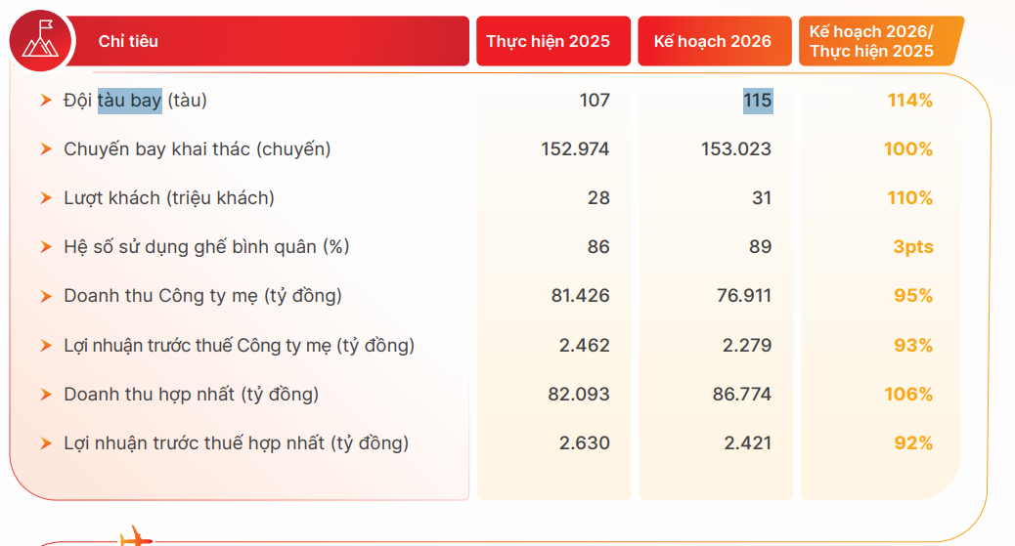
 |  |  |  |  |  | 0.47% | 0.40%
 |  | Đội tàu bay cuối kỳ | 2022 | 2023 | 2024 | 2025 | 2026F | 2027F | 2028F | 2029F | 2030F
 |  | Airbus A330-900NEO | 3 | 7 | 7 | 8 | 9 | 11 | 14 | 16 | 20
 |  | Airbus A321NEO | 18 | 24 | 34 | 42 | 50 | 60 | 69 | 80 | 95
 |  | Airbus A321CEO | 36 | 36 | 36 | 36 | 36 | 35 | 34 | 32 | 31
 |  | Airbus A320CEO | 18 | 20 | 17 | 19 | 17 | 16 | 15 | 13 | 11
 |  | Comac C909 (ARJ21) | 0 | 0 | 0 | 2 | 2 | 2 | 2 | 2 | 2
 |  | Tổng | 75 | 87 | 94 | 107 | 115 | 126 | 136 | 146 | 163
 |  | Giá trị số tàu | 87,128.28 | 107,349.27 | 120,847.61 | 143,107.30 | 160,608.76 | 182,862.39 | 204,545.77 | 228,759.93 | 262,846.38

 |  | Số tàu bán (để SLB) | 2022 | 2023 | 2024 | 2025 | 2026F | 2027F | 2028F | 2029F | 2030F
Chỉ 2 loại này có thanh khoản |  | Airbus A330-900NEO/Airbus A321NEO | 16.67% | 29.17% | 20.59% | 19.05% | 18.41% | 19.12% | 19.73% | 20.26% | 20.72%
 |  | Airbus A330-900NEO | 0 | 1 | 1 | 1 | 1 | 2 | 2 | 3 | 4
 |  | Airbus A321NEO | 3 | 3 | 5 | 7 | 7 | 10 | 13 | 14 | 17

 |  | Loại tàu bay (new) | Giá thị trường (mn USD)
 |  | Airbus A330-900NEO | 90
 |  | Airbus A321NEO | 60
 |  | Airbus A321CEO | 43
 |  | Airbus A320CEO | 44
 |  | Comac C909 (ARJ21) | 35

 |  | 2022 |  | 2023 |  | 2024 |  | 2025 |  |  | 2026F |  |  | 2027F

 |  | Country | Distance_km | Country | Distance_km | Country | Distance_km | Country | Flight distribution by route (%) | Distance_km | Country | Flight distribution by route (%) | Distance_km | Country | Flight distribution by route (%) | Distance_km | Flight_hours (từ HCM)
 |  | Thailand | 750 | Thailand | 750 | Thailand | 750 | Thailand | 9.7% | 750 | Thailand | 9.7% | 750 | Thailand | 5.0% | 750 | 2.4 h
 |  | Singapore | 1100 | Singapore | 1100 | Singapore | 1100 | Singapore | 6.9% | 1100 | Singapore | 6.9% | 1100 | Singapore | 6.0% | 1100 | 2.9 h
 |  | Malaysia | 1200 | Malaysia | 1200 | Malaysia | 1200 | Malaysia | 4.0% | 1200 | Malaysia | 4.0% | 1200 | Malaysia | 5.0% | 1200 | 3.0 h
 |  | Indonesia | 1900 | Indonesia | 1900 | Indonesia | 1900 | Indonesia | 2.0% | 1900 | Indonesia | 2.0% | 1900 | Indonesia | 1.0% | 1900 | 3.9 h
 |  | Cambodia | 230 | Cambodia | 230 | Cambodia | 230 | Cambodia | 2.0% | 230 | Cambodia | 2.0% | 230 | Cambodia | 0.5% | 230 | 1.8 h
 |  | Myanmar | 1300 | Myanmar | 1300 | Laos | 1000 | Laos | 1.0% | 1000 | Laos | 1.0% | 1000 | Laos | 1.0% | 1000 | 2.8 h
 |  | Laos | 1000 | Laos | 1000 | South Korea | 3500 | South Korea | 24.5% | 3500 | South Korea | 24.5% | 3500 | South Korea | 24.5% | 3500 | 5.9 h
 |  | South Korea | 3500 | South Korea | 3500 | Japan | 4300 | Japan | 10.0% | 4300 | Japan | 10.0% | 4300 | Japan | 10.0% | 4300 | 6.9 h
 |  | Japan | 4300 | Japan | 4300 | Taiwan | 2200 | Taiwan | 6.8% | 2200 | Taiwan | 6.8% | 2200 | Taiwan | 5.0% | 2200 | 4.3 h
 |  | Taiwan | 2200 | Taiwan | 2200 | China | 3300 | China | 5.0% | 3300 | China | 8.7% | 3300 | China | 10.0% | 3300 | 5.6 h
 |  | China | 3300 | China | 3300 | Hong Kong | 1500 | Hong Kong | 2.4% | 1500 | Hong Kong | 2.4% | 1500 | Hong Kong | 1.5% | 1500 | 3.4 h
 |  | Hong Kong | 1500 | Hong Kong | 1500 | India | 4500 | India | 5.0% | 4500 | India | 5.0% | 4500 | India | 5.0% | 4500 | 7.1 h
 |  | India | 4500 | India | 4500 | Kazakhstan | 4300 | Kazakhstan | 5.0% | 4300 | Kazakhstan | 5.0% | 4300 | Kazakhstan | 5.0% | 4300 | 6.9 h
 |  |  |  | Kazakhstan | 4300 | Australia | 6800 | Australia | 5.0% | 6800 | Australia | 5.0% | 6800 | Australia | 10.0% | 6800 | 10.0 h
 |  |  |  | Australia | 6800 |  |  |  |  |  | Netherland, Germany | 5.0% | 9000 | Netherland, Germany | 10.0% | 9000 | 12.8 h
 |  |  |  |  |  |  |  |  |  |  | Myanmar | 2.0% | 1300 | Myanmar | 0.5% | 1300 | 3.1 h

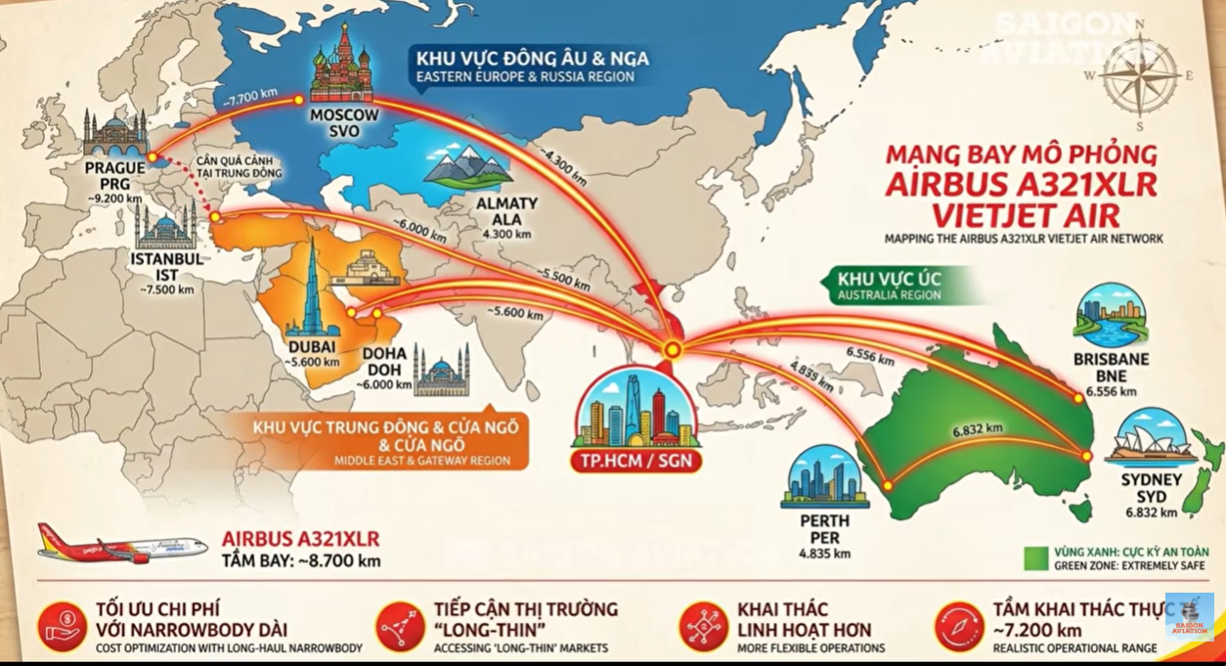
 |  |  |  |  |  |  |  |  |  |  |  |  |  | Vietjet khai thác trở lại các đường bay quốc tế thường lệ đến Bangkok (Thái Lan), Tokyo (Narita, Nhật Bản), Seoul (Incheon, Hàn Quốc), Đài Bắc (Đài Loan, Trung Quốc)... |  | 100.0% | 100.0%

COGS
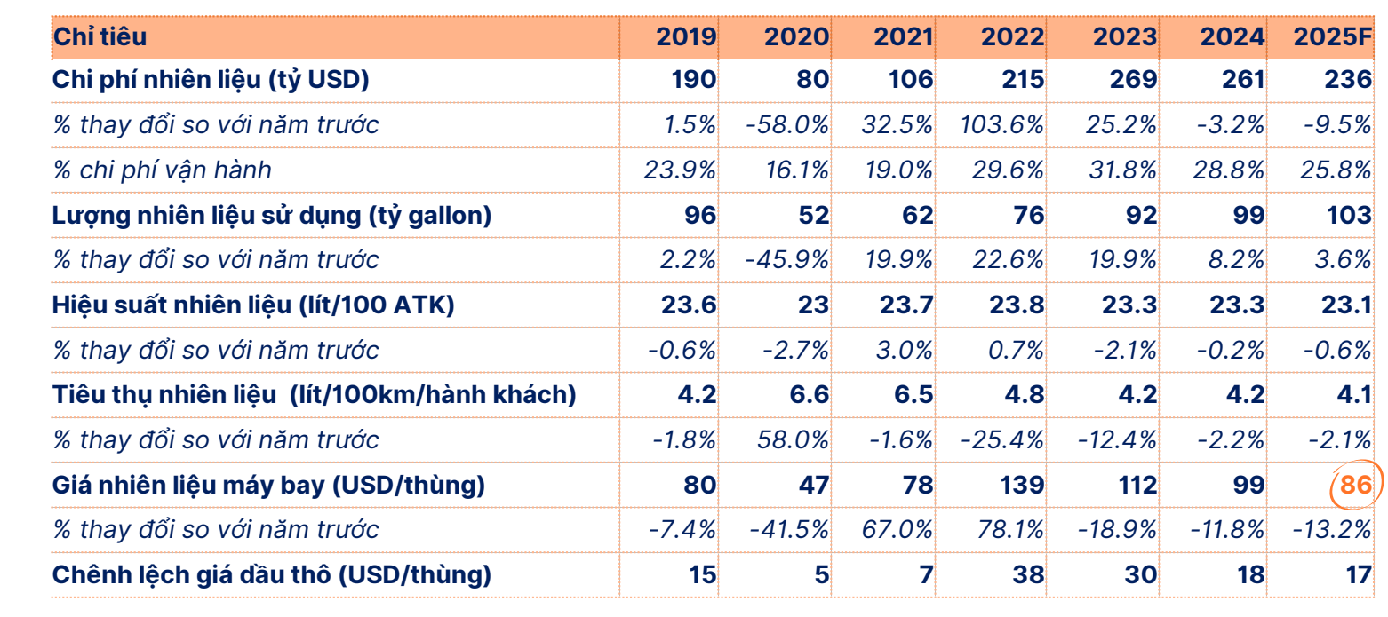
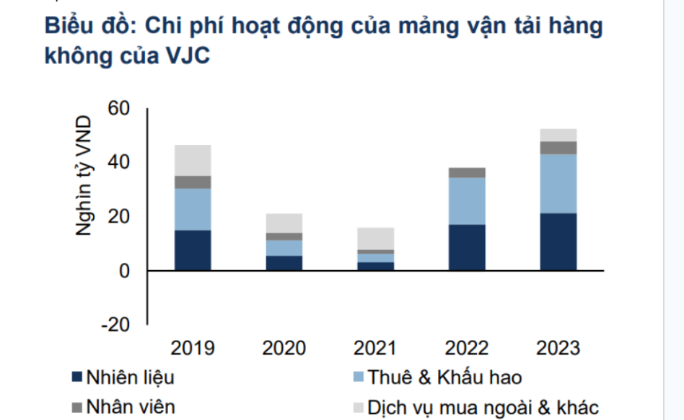
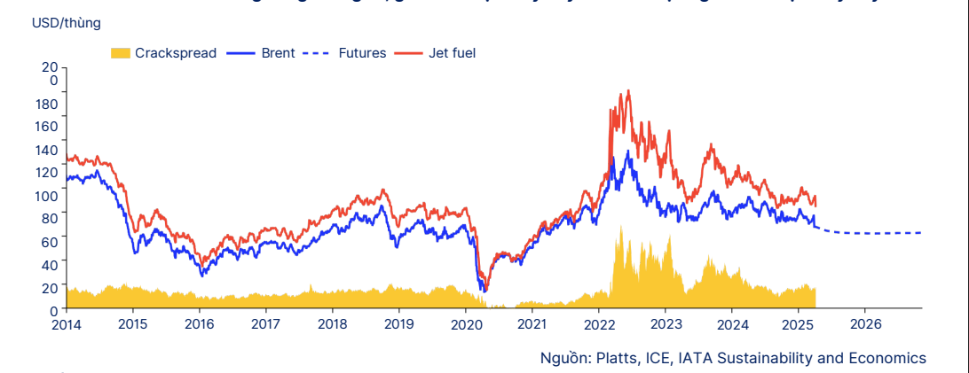
 | 2022 | 2023 | 2024 | 2025 | 2026F | 2027F | 2028F | 2029F | 2030
COGS STRUCTURE | 42,135.15 | 55,819.50 | 64,891.64 | 73,623.70 | 89,979.85 | 98,837.52 | 109,251.40 | 116,797.80 | 133,123.49
1. PASSENGER TRANSPORT (Passenger COGS) | 35,192.44 | 48,365.20 | 56,186.14 | 60,855.54 | 78,750.46 | 83,267.72 | 89,602.37 | 94,596.71 | 105,008.05
Flight operations costs (fuel, crew, lease, airport…) | 29,557.26 | 36,915.00 | 42,012.00 | 45,837.93 | 60,818.79 | 63,191.21 | 67,576.20 | 70,532.77 | 78,642.88
Fuel | 17,097.87 | 21,242.89 | 23,858.69 | 24,703.60 | 34,872.81 | 32,173.60 | 31,699.85 | 29,509.15 | 31,013.06
Lease | 8,090.53 | 11,309.39 | 12,298.19 | 14,517.32 | 16,117.84 | 18,855.75 | 21,618.91 | 24,722.17 | 28,974.02
Crew | 4,289.13 | 3,949.47 | 5,241.82 | 5,539.77 | 7,819.43 | 8,754.73 | 9,604.92 | 10,493.52 | 11,497.01
Depreciation | 79.73 | 413.25 | 613.29 | 1,077.23 | 2,008.71 | 3,407.13 | 4,652.53 | 5,807.93 | 7,158.79
Technical operations costs | 3,497.84 | 6,477.53 | 7,871.73 | 8,299.65 | 10,211.26 | 11,432.65 | 12,542.89 | 13,703.30 | 15,013.74
Ground services & operations costs | 1,755.38 | 4,498.75 | 5,776.13 | 6,558.59 | 7,061.90 | 7,906.59 | 8,674.41 | 9,476.92 | 10,383.20
Safety, security, and flight quality assurance costs | 381.95 | 473.92 | 526.29 | 159.38 | 658.51 | 737.28 | 808.88 | 883.71 | 968.22
2. Ancillary and cargo
Cargo transportation service costs | 256.04 | 417.69 | 284.06 | 401.76 | 467.11 | 549.21 | 635.33 | 722.64 | 842.72
3. SLB (Sale & Leaseback)
COGS from sale of aircraft and engines | 5,996.68 | 6,028.11 | 7,109.20 | 11,244.27 | 9,084.69 | 13,155.31 | 16,949.49 | 19,258.09 | 24,772.71
COGS from sale of aircraft | 5,586.69 | 4,555.36 | 5,419.70 | 9,982.25 | 7,032.06 | 10,319.22 | 13,198.07 | 14,563.67 | 18,744.80
COGS from sale of aircraft engines | 410.00 | 1,472.75 | 1,689.50 | 1,262.02 | 2,052.64 | 2,836.09 | 3,751.41 | 4,694.42 | 6,027.91
Weight | 0.01 | 0.03 | 0.02 | 0.02 | 0.02 | 0.03 | 0.03 | 0.04 | 0.04
6. OTHER (670B) — miscellaneous, non-core, not mixed into standard CASK
Other costs (other + sale of technical materials) | 689.99 | 1,008.49 | 1,312.24 | 1,122.13 | 1,677.58 | 1,865.28 | 2,064.21 | 2,220.36 | 2,500.01
% Revenue | 0.02 | 0.02 | 0.02 | 0.01 | 0.02 | 0.02 | 0.02 | 0.02 | 0.02

NHIÊN LIỆU | 2022 | 2023 | 2024 | 2025 | 2026F | 2027F | 2028F | 2029F | 2030F
Jet A1 (USD/barrel) | 139 | 112 | 99 | 86 | 120 | 100 | 91 | 81 | 81
Growth |  | -19.4% | -11.6% | -13.1% | 40% | -17% | -9% | -11% | 0%
Brent (USD/barrel) | 101 | 82 | 81 | 69 | 90 | 80 | 70 | 65 | 65
Spread | 38 | 30 | 18 | 17 | 30 | 20 | 21 | 16 | 16
Quantity (thùng) | 5.209 | 7.947 | 9.903 | 11.429
Fuel/ASK baseline (thùng/ASK) | 0.000186 | 0.000195 | 0.000223 | 0.000238 | 0.000214 | 0.000220 | 0.000218 | 0.000216 | 0.000214
Growth |  | 4.46% | 14.30% | 7.09% | -10.40% | -1.08% | -1.00% | -0.99% | -1.00%
% đội tàu tối ưu (NEO) | 28.00% | 35.63% | 43.62% | 46.73% | 52.1% | 57.1% | 62.1% | 67.1% | 72.1%
Tiết kiệm fuel/ASK nhờ đội NEO (15-20%) | 0.000 | 0.000 | 0.000 | 0.000022 | 0.000028 | 0.000031 | 0.000027 | 0.000029 | 0.000031
Fuel/ASK thực tế (sau tối ưu) | 0.000176 | 0.000181 | 0.000203 | 0.000216 | 0.000186 | 0.000189 | 0.000191 | 0.000187 | 0.000183

CÁC YẾU TỐ GIÁ VỐN KHÁC | 2022 | 2023 | 2024 | 2025 | 2026F | 2027F | 2028F | 2029F | 2030F
THUÊ MÁY BAY / TỔNG SỐ MÁY BAY (TRIỆU USD) | 0.09 | 0.11 | 0.10 | 0.10 | 0.100 | 0.103 | 0.106 | 0.108 | 0.110
Chi phí khối dịch vụ và khai thác mặt đất/ ASK ( USD cents) | 0.27 | 0.46 | 0.53 | 0.54 | 0.451 | 0.464 | 0.475 | 0.486 | 0.496
Crew / ASK ( USD cents) | 0.65 | 0.41 | 0.48 | 0.46 | 0.500 | 0.513 | 0.526 | 0.538 | 0.549
Kỹ thuật/ASK ( USD cents) | 0.53 | 0.66 | 0.73 | 0.69 | 0.653 | 0.670 | 0.687 | 0.703 | 0.717
Đảm bảo chất lượng/ ASK ( USD cents) | 0.06 | 0.05 | 0.05 | 0.01 | 0.042 | 0.043 | 0.044 | 0.045 | 0.046
Chi phí hàng hóa trên doanh thu hàng hóa | 0.0499 | 0.0448 | 0.0247 | 0.0378 | 0.039 | 0.040 | 0.041 | 0.042 | 0.043

ASK(triệu km) | 27,955 | 40,824 | 44,506 | 47,962 | 60,627 | 64,451 | 67,633 | 70,847 | 74,608

Exchange rate (thousand VND/USD) | 23.61 | 23.87 | 24.34 | 25.13 | 25.81 | 26.46 | 26.99 | 27.53 | 28.08
% USD appreciation vs VND |  | 1.08% | 1.97% | 3.28% | 2.70% | 2.50% | 2.00% | 2.00% | 2.00%
Inflation rate (VN) | 3.20% | 3.30% | 3.60% | 3.30% | 4.50% | 4.50% | 4.50% | 3.00% | 3.00%
Lạm phát mỹ | 8.00% | 4.12% | 2.95% | 2.47% | 3.00% | 2.75% | 2.50% | 2.25% | 2.00%

 | 2019 | 2020 | 2021 | 2022 | 2023 | 2024 | 2025
Xăng Jet A1 (USD/thùng) | 80 | 47 | 78 | 139 | 112 | 99 | 86
Brent (USD/thùng) | 65 | 42 | 71 | 101 | 82 | 81 | 69
Spread | 15 | 5 | 7 | 38 | 30 | 18 | 17

Equity
 | 2021 | 2022 | 2023 | 2024 | 2025 | 2026F | 2027F | 2028F | 2029F | 2030F
Shareholders' Equity | 16,854.21 | 14,898.29 | 15,253.14 | 17,118.71 | 24,809.18 | 25,981.46 | 29,025.92 | 33,315.92 | 39,800.18 | 47,191.11
1. Owner's contributed capital | 5,416.11 | 5,416.11 | 5,416.11 | 5,416.11 | 5,916.11 | 7,690.95 | 7,690.95 | 7,690.95 | 7,690.95 | 7,690.95
2. Share premium | 247.48 | 247.48 | 247.48 | 247.48 | 4,747.38 | 4,747.38 | 4,747.38 | 4,747.38 | 4,747.38 | 4,747.38
3. Other capital | - | - | - | - | -
4. Treasury shares | - | - | - | - | - | - | - | - | - | -
5. Foreign exchange difference | (110.73) | 195.33 | 318.76 | 780.33 | 1,325.92 | 1,325.92 | 1,325.92 | 1,325.92 | 1,325.92 | 1,325.92
6. Retained earnings and funds | 11,281.43 | 9,018.93 | 9,249.52 | 10,652.69 | 12,775.22 | 12,172.66 | 15,217.13 | 19,507.12 | 25,991.39 | 33,382.31
7. Non-controlling interests | 19.91 | 20.44 | 21.26 | 22.10 | 44.54 | 44.54 | 44.54 | 44.54 | 44.54 | 44.54

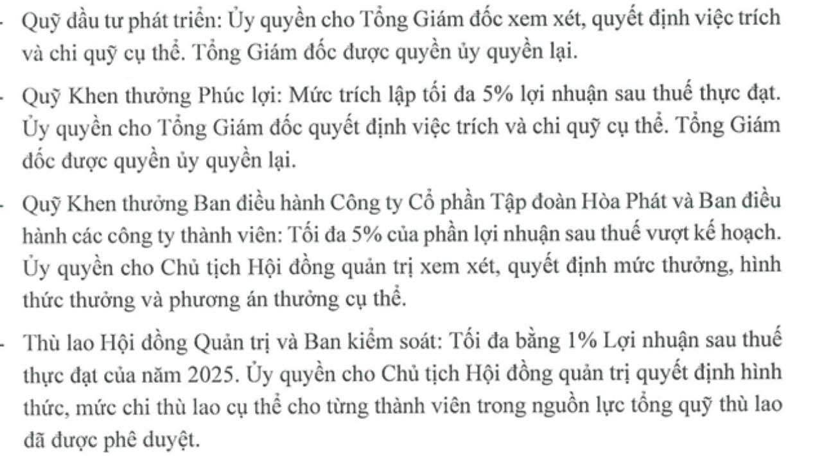
 | 2021 | 2022 | 2023 | 2024 | 2025 | 2026F | 2027F | 2028F | 2029F | 2030F
Net profit after tax (NPAT) |  |  |  |  |  | 1,172.28 | 3,044.46 | 4,290.00 | 6,484.26 | 7,390.93
Dividend ratio on par value |  |  |  |  |  | 0%
Cash dividend |  |  |  |  |  | - | - | - | - | -
Management bonus ratio on NPAT |  |  |  |  | 1% | 0% | 0% | 0% | 0% | 0%
Appropriation ratio to bonus & welfare fund |  |  |  |  | 5% | 0% | 0% | 0% | 0% | 0%

Number of shares outstanding at beginning of year |  |  |  |  | 591,611,334 | 591,611,334.00 | 769,094,734.20 | 769,094,734.20 | 769,094,734.20 | 769,094,734.20

1. Treasury shares repurchased in year |  |  |  |  | 0 | 0 | 0 | 0 | 0 | 0
2. Stock dividend payment |  |  |  |  | - | 177,483,400.20 | - | - | - | -
Stock dividend ratio |  |  |  |  | 0% | 30% | 0% | 0% | 0% | 0%
3. Share issuance to existing shareholders
+ Selling price ('000 VND)
+ Capital raised, of which: |  |  |  |  |  | - | - | - | - | -
Capital at par value |  |  |  |  |  | - | - | - | - | -
Share premium |  |  |  |  |  | - | - | - | - | -
4. ESOP share issuance
+ Selling price ('000 VND)
+ Capital raised, of which: |  |  |  |  |  | - | - | - | - | -
Capital at par value |  |  |  |  |  | - | - | - | - | -
Share premium |  |  |  |  |  | - | - | - | - | -
5. Share issuance to strategic/other shareholders
+ Selling price ('000 VND)
+ Capital raised, of which: |  |  |  |  |  | - | - | - | - | -
Capital at par value |  |  |  |  |  | - | - | - | - | -
Share premium |  |  |  |  |  | - | - | - | - | -

Number of shares outstanding at end of year |  |  |  |  | 591,611,334.00 | 769,094,734.20 | 769,094,734.20 | 769,094,734.20 | 769,094,734.20 | 769,094,734.20

Debt waterfall
 | 2021 | 2022 | 2023 | 2024 | 2025 | 2026 | 2027 | 2028 | 2029 | 2030
SHORT-TERM BORROWINGS
Opening balance |  |  | 8,481.00 | 13,178.00 | 11,882.00 | 24,650.00 | 23,895.99 | 23,122.58 | 22,263.32 | 21,536.38
Principal repayment |  |  | (26,140.00) | (48,778.00) | (43,308.00) | (25,887.81) | (26,553.57) | (29,501.25) | (24,958.17) | (31,770.23)
Principal repayment / Borrowing |  |  | 1.01 | 1.03 | 0.77 | 1.03 | 1.03 | 1.03 | 1.03 | 1.03
Borrowing |  |  | 25,763.00 | 47,465.00 | 56,076.00 | 25,133.80 | 25,780.17 | 28,641.99 | 24,231.23 | 30,844.88
Net working capital |  |  | 12,522.94 | 11,510.54 | 18,083.37 | 16,210.27 | 16,627.16 | 18,472.91 | 15,628.16 | 19,893.69
Borrowing / NWC assumption |  |  | 2.06 | 4.12 | 3.10 | 1.55 | 1.55 | 1.55 | 1.55 | 1.55
Other increase/decrease (capitalized interest)
Borrowing / Actual NWC
Closing balance |  |  | 8,104.00 | 11,865.00 | 24,650.00 | 23,895.99 | 23,122.58 | 22,263.32 | 21,536.38 | 20,611.04

Interest expense |  |  |  |  |  | 1,941.84 | 1,880.74 | 1,815.44 | 1,751.99 | 1,685.90
AVERAGE INTEREST RATE |  |  |  |  |  | 8.00% | 8.00% | 8.00% | 8.00% | 8.00%
LONG-TERM BORROWINGS
Opening balance |  |  |  |  | 27,217.00 | 40,340.00 | 37,324.21 | 37,988.71 | 29,965.80 | 18,381.04
Principal repayment |  |  |  |  | 7,120.00 | 7,469.06 | 4,035.84 | 15,542.30 | 16,697.93 | 14,179.80
Borrowing |  |  |  |  | 20,237.00 | 4,453.27 | 4,700.33 | 7,519.38 | 5,113.18 | 3,145.94
Other increase/decrease |  |  |  |  | 6.00
Closing balance |  |  |  |  | 40,340.00 | 37,324.21 | 37,988.71 | 29,965.80 | 18,381.04 | 7,347.18

Interest expense |  |  |  |  |  | 4,375.67 | 4,148.53 | 3,720.46 | 2,632.10 | 1,505.32
AVERAGE INTEREST RATE
Finance lease payable
Opening balance |  |  |  |  | 3,602.31 | 3,389.25 | 3,059.69 | 2,730.00 | 2,400.31 | 2,070.63
Principal repayment |  |  |  |  | (213.07) | (329.56) | (329.69) | (329.69) | (329.69) | (329.69)
Borrowing |  |  |  |  | - | - | - | - | - | -
Other increase/decrease |  |  |  |  | - | - | - | - | - | -
Closing balance |  |  |  |  | 3,389.25 | 3,059.69 | 2,730.00 | 2,400.31 | 2,070.63 | 1,740.94

Interest expense |  |  |  |  |  | 362.47 | 270.20 | 270.20 | 270.20 | 270.20

New borrowings |  |  |  |  |  | 2026 | 2027 | 2028 | 2029 | 2030
New borrowing value (20-30% LTV) |  |  |  |  |  | 4,453.27 | 4,700.33 | 7,519.38 | 5,113.18 | 3,145.94
Principal repayment - new borrowings |  |  |  |  |  | 1,484.42 | 3,051.20 | 5,557.66 | 5,777.63 | 5,259.50
Interest expense - new borrowings |  |  |  |  |  | 133.60 | 207.81 | 296.09 | 266.19 | 171.08
Closing balance - aircraft borrowings |  |  |  |  |  | 2,968.85 | 4,617.98 | 6,579.70 | 5,915.25 | 3,801.69
Interest rate on new aircraft borrowings |  |  |  |  |  | 9.0% | 9.0% | 9.0% | 9.0% | 9.0%

TOTAL INTEREST EXPENSE | - | - | - | - | - | 6,813.58 | 6,507.28 | 6,102.18 | 4,920.47 | 3,632.49

 | 2021 | 2022 | 2023 | 2024 | 2025 | 2026 | 2027 | 2028 | 2029 | 2030
Interest expense | (804.78) | (1,383.64) | (1,950.25) | (3,211.95) | (3,619.68) | (6,813.58) | (6,507.28) | (6,102.18) | (4,920.47) | (3,632.49)
Realized FX gain/loss | (31.27) | (601.12) | (39.32) | (533.71) | (485.52) | (913.92) | (872.84) | (818.50) | (660.00) | (487.24)
Realized FX gain/loss / Interest expense | 3.9% | 43.4% | 2.0% | 16.6% | 13.4% | 13.4% | 13.4% | 13.4% | 13.4% | 13.4%

MBBank (i)
Opening balance |  |  |  |  | 261.00 | 193.00 | 128.67 | 64.33 | -
Maturity year |  |  |  |  | 2028
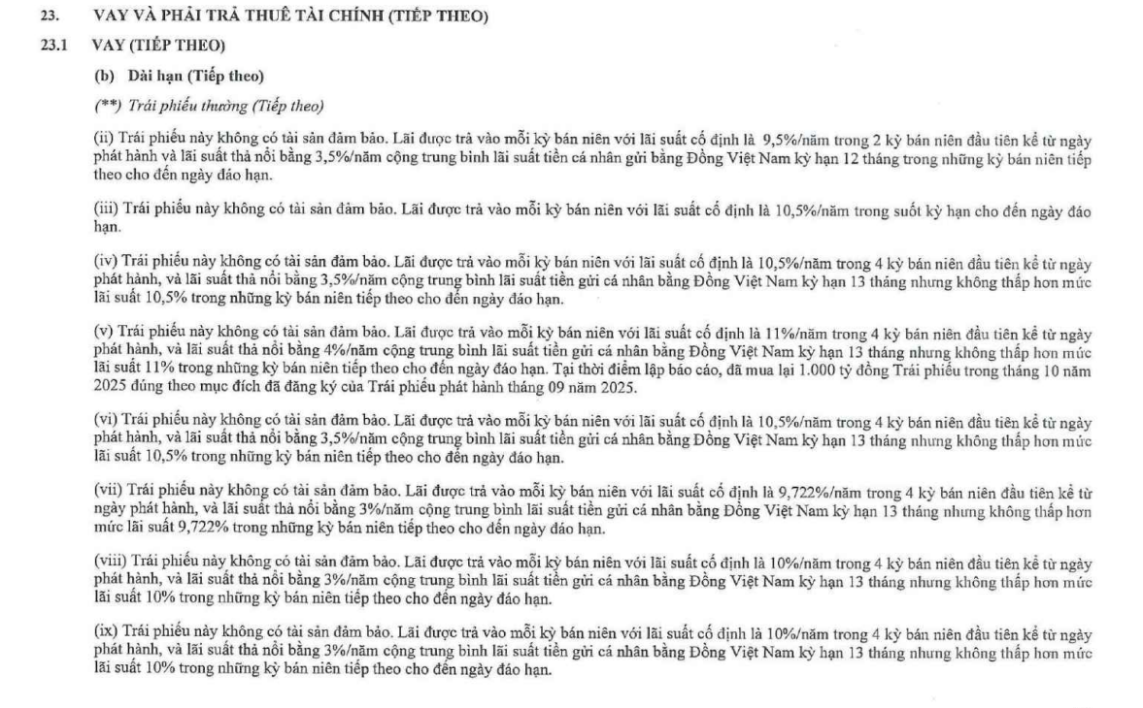
Remaining repayment years |  |  |  |  | 3
Principal repayment |  |  |  |  |  | 64.33 | 64.33 | 64.33
Interest rate |  |  |  |  | 9%
Interest expense |  |  |  |  |  | 14.48 | 8.69 | 2.90
Closing balance |  |  |  |  | 193.00 | 128.67 | 64.33 | -

MBBank (ii)
Opening balance |  |  |  |  | - | 1,786.00 | 1,648.62 | 1,511.23 | 1,373.85 | 1,236.46
Maturity year |  |  |  |  | 2037
Remaining repayment years |  |  |  |  | 13
Principal repayment |  |  |  |  |  | 137.38 | 137.38 | 137.38 | 137.38 | 137.38
Interest rate |  |  |  |  | 10%
Interest expense |  |  |  |  |  | 171.73 | 157.99 | 144.25 | 130.52 | 116.78
Closing balance |  |  |  |  | 1,786.00 | 1,648.62 | 1,511.23 | 1,373.85 | 1,236.46 | 1,099.08

VietinBank (iii)
Opening balance |  |  |  |  | 2,215.00 | 3,047.00 | 2,793.08 | 2,539.17 | 2,285.25 | 2,031.33
Maturity year |  |  |  |  | 2036
Remaining repayment years |  |  |  |  | 12
Principal repayment |  |  |  |  |  | 253.92 | 253.92 | 253.92 | 253.92 | 253.92
Interest rate |  |  |  |  | 10%
Interest expense |  |  |  |  |  | 292.00 | 266.61 | 241.22 | 215.83 | 190.44
Closing balance |  |  |  |  | 3,047.00 | 2,793.08 | 2,539.17 | 2,285.25 | 2,031.33 | 1,777.42

VietinBank (iv)
Opening balance |  |  |  |  | - | 2,095.00 | 1,933.85 | 1,772.69 | 1,611.54 | 1,450.38
Maturity year |  |  |  |  | 2037
Remaining repayment years |  |  |  |  | 13
Principal repayment |  |  |  |  |  | 161.15 | 161.15 | 161.15 | 161.15 | 161.15
Interest rate |  |  |  |  | 9%
Interest expense |  |  |  |  |  | 181.30 | 166.79 | 152.29 | 137.79 | 123.28
Closing balance |  |  |  |  | 2,095.00 | 1,933.85 | 1,772.69 | 1,611.54 | 1,450.38 | 1,289.23

VIB (v)
Opening balance |  |  |  |  | - | 1,453.00 | 1,341.23 | 1,229.46 | 1,117.69 | 1,005.92
Maturity year |  |  |  |  | 2037
Remaining repayment years |  |  |  |  | 13
Principal repayment |  |  |  |  |  | 111.77 | 111.77 | 111.77 | 111.77 | 111.77
Interest rate |  |  |  |  | 8%
Interest expense |  |  |  |  |  | 111.77 | 102.83 | 93.89 | 84.94 | 76.00
Closing balance |  |  |  |  | 1,453.00 | 1,341.23 | 1,229.46 | 1,117.69 | 1,005.92 | 894.15

VIB (vi)
Opening balance |  |  |  |  | - | 1,766.00 | 1,630.15 | 1,494.31 | 1,358.46 | 1,222.62
Maturity year |  |  |  |  | 2037
Remaining repayment years |  |  |  |  | 13
Principal repayment |  |  |  |  |  | 135.85 | 135.85 | 135.85 | 135.85 | 135.85
Interest rate |  |  |  |  | 8%
Interest expense |  |  |  |  |  | 135.85 | 124.98 | 114.11 | 103.24 | 92.38
Closing balance |  |  |  |  | 1,766.00 | 1,630.15 | 1,494.31 | 1,358.46 | 1,222.62 | 1,086.77

BIDV (vii)
Opening balance |  |  |  |  | - | 1,563.00 | 1,442.77 | 1,322.54 | 1,202.31 | 1,082.08
Maturity year |  |  |  |  | 2037
Remaining repayment years |  |  |  |  | 13
Principal repayment |  |  |  |  |  | 120.23 | 120.23 | 120.23 | 120.23 | 120.23
Interest rate |  |  |  |  | 8%
Interest expense |  |  |  |  |  | 120.23 | 110.61 | 100.99 | 91.38 | 81.76
Closing balance |  |  |  |  | 1,563.00 | 1,442.77 | 1,322.54 | 1,202.31 | 1,082.08 | 961.85

BONDS | Base rate | Spread | Floor rate | Float from year
 | 5.50%
Bond (i) | Spread | Floor | Float from year
Opening balance | 3.00% | 0.00% | 2022 |  | 5,000.00 | 5,000.00 | - | - | - | -
Maturity year |  |  |  |  | 2026
Remaining repayment years |  |  |  |  | 1
Principal repayment |  |  |  |  |  | 5,000.00 | - | - | - | -
Interest rate |  |  |  |  | 10%
Interest expense |  |  |  |  |  | 212.50 | - | - | - | -
Closing balance |  |  |  |  | 5,000.00 | - | - | - | - | -

Bond (ii) | 3.50% | 0.00% | 2024
Opening balance |  |  |  |  | 6,000.00 | 6,000.00 | 6,000.00 | 6,000.00 | - | -
Maturity year |  |  |  |  | 2028
Remaining repayment years |  |  |  |  | 3
Principal repayment |  |  |  |  |  | - | - | 6,000.00 | - | -
Interest rate |  |  |  |  | 9.0%
Interest expense |  |  |  |  |  | 540.00 | 540.00 | 270.00 | - | -
Closing balance |  |  |  |  | 6,000.00 | 6,000.00 | 6,000.00 | - | - | -

Bond (iii) | 0.00% | 10.50% | 9999
Opening balance |  |  |  |  | 3,000.00 | 3,000.00 | 3,000.00 | 3,000.00 | - | -
Maturity year |  |  |  |  | 2028
Remaining repayment years |  |  |  |  | 3
Principal repayment |  |  |  |  |  | - | - | 3,000.00 | - | -
Interest rate |  |  |  |  | 10.5%
Interest expense |  |  |  |  |  | 315.00 | 315.00 | 157.50 | - | -
Closing balance |  |  |  |  | 3,000.00 | 3,000.00 | 3,000.00 | - | - | -

Bond (iv) | 3.00% | 10.50% | 2026
Opening balance |  |  |  |  | 2,000.00 | 2,000.00 | 2,000.00 | 2,000.00 | 2,000.00 | -
Maturity year |  |  |  |  | 2029
Remaining repayment years |  |  |  |  | 4
Principal repayment |  |  |  |  |  | - | - | - | 2,000.00 | -
Interest rate |  |  |  |  | 10.5%
Interest expense |  |  |  |  |  | 210.00 | 210.00 | 210.00 | 105.00 | -
Closing balance |  |  |  |  | 2,000.00 | 2,000.00 | 2,000.00 | 2,000.00 | - | -

Bond (v) | 4.00% | 11.00% | 2026
Opening balance |  |  |  |  | 9,000.00 | 8,000.00 | 8,000.00 | 8,000.00 | 8,000.00 | -
Maturity year |  |  |  |  | 2029
Remaining repayment years |  |  |  |  | 4
Principal repayment |  |  |  |  |  | - | - | - | 8,000.00 | -
Interest rate |  |  |  |  | 11%
Interest expense |  |  |  |  |  | 880.00 | 880.00 | 880.00 | 440.00 | -
Closing balance |  |  |  |  | 8,000.00 | 8,000.00 | 8,000.00 | 8,000.00 | - | -

Bond (vi) | 3.50% | 10.50% | 2027
Opening balance |  |  |  |  | - | 2,000.00 | 2,000.00 | 2,000.00 | 2,000.00 | 2,000.00
Maturity year |  |  |  |  | 2030
Remaining repayment years |  |  |  |  | 5
Principal repayment |  |  |  |  |  | - | - | - | - | 2,000.00
Interest rate |  |  |  |  | 10.5%
Interest expense |  |  |  |  |  | 210.00 | 210.00 | 210.00 | 210.00 | 105.00
Closing balance |  |  |  |  | 2,000.00 | 2,000.00 | 2,000.00 | 2,000.00 | 2,000.00 | -

Bond (vii) | 3.00% | 9.722% | 2027
Opening balance |  |  |  |  | - | 1,000.00 | 1,000.00 | 1,000.00 | 1,000.00 | 1,000.00
Maturity year |  |  |  |  | 2030
Remaining repayment years |  |  |  |  | 5
Principal repayment |  |  |  |  |  | - | - | - | - | 1,000.00
Interest rate |  |  |  |  | 9.722%
Interest expense |  |  |  |  |  | 97.22 | 97.22 | 97.22 | 97.22 | 48.61
Closing balance |  |  |  |  | 1,000.00 | 1,000.00 | 1,000.00 | 1,000.00 | 1,000.00 | -

Bond (viii) | 3.00% | 10.00% | 2027
Opening balance |  |  |  |  | - | 5,000.00 | 5,000.00 | 5,000.00 | 5,000.00 | 5,000.00
Maturity year |  |  |  |  | 2030
Remaining repayment years |  |  |  |  | 6
Principal repayment |  |  |  |  |  | - | - | - | - | 5,000.00
Interest rate |  |  |  |  | 10%
Interest expense |  |  |  |  |  | 500.00 | 500.00 | 500.00 | 500.00 | 250.00
Closing balance |  |  |  |  | 5,000.00 | 5,000.00 | 5,000.00 | 5,000.00 | 5,000.00 | -

Bond (ix) | 3.00% | 10.00% | 2027
Opening balance |  |  |  |  | - | 2,500.00 | 2,500.00 | 2,500.00 | 2,500.00 | 2,500.00
Maturity year |  |  |  |  | 2032
Remaining repayment years |  |  |  |  | 7
Principal repayment |  |  |  |  |  | - | - | - | - | -
Interest rate |  |  |  |  | 10%
Interest expense |  |  |  |  |  | 250.00 | 250.00 | 250.00 | 250.00 | 250.00
Closing balance |  |  |  |  | 2,500.00 | 2,500.00 | 2,500.00 | 2,500.00 | 2,500.00 | 2,500.00

Charts
Industry Domestic Pax (Mn)
2024 | 38
2025 | 40
2026F | 44
2027F | 47
2028F | 51
2029F | 55
2030F | 60
Vietnam Public Investment Capital
 | Public investment | Public investment disbursement (VND trillion) | Disbursement rate (%)
2022 | 670 | 516 | 77.0%
2023 | 804 | 589 | 73.3%
2024 | 753 | 549 | 72.9%
2025 | 902 | 887 | 98.0%
2026F | 995 | 995 | 100.0%
Number of International Tourists Visiting Vietnam (Mn Visitors)
 | China | South Korea | Taiwan | The USA | Japan | Others | % Air travel
2021 | 0.0 | 0.0 | 0.0 | 0.0 | 0.0 | 0.0
2022 | 0.1 | 1.0 | 0.1 | 0.3 | 0.2 | 2.0 | 88%
2023 | 1.7 | 3.6 | 0.9 | 0.7 | 0.6 | 5.1 | 85%
2024 | 3.7 | 4.6 | 1.3 | 0.8 | 0.7 | 6.4 | 83%
2025 | 5.3 | 4.2 | 1.0 | 0.9 | 0.8 | 7.9 | 84%

Jet A1 Price & Brent Oil Price
 | Spread | Jet A1 (USD/barrel) | Brent (USD/barrel)
2019 | 15 | 80 | 95
2020 | 5 | 47 | 52
2021 | 7 | 78 | 85
2022 | 38 | 139 | 101
2023 | 30 | 112 | 82
2024 | 18 | 99 | 81
2025 | 17 | 86 | 69
2026F | 30 | 120 | 90
2027F | 20 | 100 | 80
2028F | 21 | 91 | 70
International Share % (Outer 2025, Inner 2024)
 | 2024 | 2025
Vietjet | 44.0% | 53.6%
HVN | 42.0% | 44.1%
Bamboo | 0.0% | 1.8%
Other domestic peers | 1.0% | 1.0%

Real GDP Growth Rate
 | Vietnam | Asia and Pacific | Southeast Asia
2022 | 8.5 | 4.3 | 5.8
2023 | 5.1 | 4.7 | 4.1
2024 | 7 | 4.6 | 5
2025 | 8 | 4.9 | 4.9
2026F | 7 | 4.4 | 4.5
2027F | 6.7 | 4.2 | 4.7
2028F | 6.2 | 4.2 | 4.7
2029F | 5.6 | 4.1 | 4.6

Total Direct Destinations of VietJet Air by Country
 | Tổng điểm đến
India | 330
Japan | 311
China | 300
Australia | 190
South Korea | 160
Taiwan | 137
Thailan | 130
Hong Kong | 100
Indonesia | 60
Malaysia | 60
Singapore | 30
Campuchia | 30
Laos | 30

Domestic Share% (Outer 2025, Inner 2024)
 | 2024 | 2025
Vietjet | 44.0% | 45.0%
HVN | 42.0% | 44.0%
Bamboo | 7.0% | 5.3%
other domestic peers | 7.0% | 6.7%
Shareholder Structure
Domestic | 92.49%
Foreign | 7.51%
Shareholder Structure
Corporation/Institutions | 76.17%
Individuals | 23.83%

Average Ticket Prices of LCCs in Core Markets (2025)
Vietjet Air | 3
Air Seoul | 4
Jeju Air | 3
Air Busan | 4
Eastar Jet | 4
T'Way Air | 4
Jin Air | 4
Vietjet Air | 4
Tigerair Taiwan | 5
Vietjet Air | 3
Spring Airlines | 3
Number of Domestic Aircrafts
 | VNA | VJC* | BAV | PA | VTR
2020 | 107 | 71 | 30 | 20
2021 | 105 | 76 | 30 | 18 | 3
2022 | 101 | 75 | 30 | 15 | 3
2023 | 106 | 87 | 11 | 8 | 3
2024 | 86 | 94 | 8 | 3 | 2
2025 | 103 | 107 | 7 | 3 | 2
VietJet’s Load Factors & A/C Utilization
 | Load factor % | Aircraft utilization (hours)
2021 | 70% | 6.3
2022 | 85% | 10.8
2023 | 85% | 13.4
2024 | 87% | 13.7
2025 | 88% | 13.7

 | Number of International flights (flights/year)
2022 | 24,622
2023 | 35,206
2024 | 41,613
2025 | 44,962
2026F | 48,901
2027F | 51,399
2028F | 53,380
2029F | 55,360
2030F | 57,192
Ancillary Revenue
 | Ancillary Revenue | % Revenue
2022 | 13,050 | 33%
2023 | 21,172 | 36%
2024 | 24,205 | 34%
2025 | 25,280 | 31%
2026F | 28,516 | 28%
2027F | 32,224 | 29%
2028F | 35,783 | 29%
2029F | 39,412 | 29%
2030F | 44,255 | 29%
A300-900NEO Fleet Expansion Strategy
 | Airbus A330-900NEO
2022 | 3
2023 | 7
2024 | 7
2025 | 8
2026F | 9
2027F | 11
2028F | 14
2029F | 16
2030F | 20

CASK and Utilization of Asia–Pacific Region's LCCs (2025)
 | CASK (US cent) | Utilization (hours)
Asia Aviation | 5.2 | 11.6
Spring Airlines | 4.17 | 11.2
IndiaGo | 5.45 | 11.5
Jeju Air | 4.34 | 12
Scoot | 4.47 | 9
Vietjet | 5.0818261436 | 13.7

Fleet Composition by Seating Capacity
 | Below 190 seats (%) | Above 220 seats (%) | Large Body (%) | Others (%)
Vietjet | 18% | 71% | 8% | 2%
AirAsia Group | 100% | 0% | 0% | 0%
Spring Airlines | 91% | 9% | 0% | 0%
Scoot | 28% | 19% | 38% | 15%
IndiGo | 48% | 40% | 2% | 10%
Jeju Air | 100% | 0% | 0% | 0%
Citilink | 86% | 0% | 0% | 14%
Jetstar | 66% | 19% | 15% | 0%

Operating Cost 2025 vs. 2026F
 | 2025 | 2026F
Fuel | 40% | 44%
Lease & Depreciation | 25% | 23%
Crew | 9% | 10%
Other Purchased Services | 25% | 23%
Sale and Leaseback
 | SLB Revenue (billion VND) | Aircraft Sold
2022 | 6,235.09 | 3
2023 | 6,361.04 | 4
2024 | 9,167.10 | 6
2025 | 13,507.84 | 8
2026F | 14,565.58 | 8
2027F | 21,160.23 | 12
2028F | 26,651.96 | 15
2029F | 29,447.11 | 16
2030F | 37,889.31 | 20
USD/VND 04/2022 - 04/2026
 | USD/VND | Change
4/1/2026 | 26,356.00 | 0.06%
3/1/2026 | 26,340.00 | 1.13%
2/1/2026 | 26,045.00 | 0.40%
1/1/2026 | 25,940.00 | -1.37%
12/1/2025 | 26,300.00 | -0.25%
11/1/2025 | 26,365.00 | 0.19%
10/1/2025 | 26,315.00 | -0.42%
9/1/2025 | 26,427.00 | 0.31%
8/1/2025 | 26,345.00 | 0.56%
7/1/2025 | 26,199.00 | 0.30%
6/1/2025 | 26,120.50 | 0.38%
5/1/2025 | 26,021.50 | 0.06%
4/1/2025 | 26,005.00 | 1.64%
3/1/2025 | 25,585.00 | 0.12%
2/1/2025 | 25,555.00 | 1.89%
1/1/2025 | 25,080.00 | -1.57%
12/1/2024 | 25,480.00 | 0.54%
11/1/2024 | 25,344.00 | 0.29%
10/1/2024 | 25,270.00 | 2.91%
9/1/2024 | 24,555.00 | -1.23%
8/1/2024 | 24,860.00 | -1.49%
7/1/2024 | 25,235.00 | -0.83%
6/1/2024 | 25,445.00 | 0.02%
5/1/2024 | 25,440.00 | 0.43%
4/1/2024 | 25,330.00 | 2.10%
3/1/2024 | 24,810.00 | 0.69%
2/1/2024 | 24,640.00 | 0.92%
1/1/2024 | 24,415.00 | 0.64%
12/1/2023 | 24,260.00 | 0.04%
11/1/2023 | 24,250.00 | -1.26%
10/1/2023 | 24,560.00 | 1.15%
9/1/2023 | 24,280.00 | 0.91%
8/1/2023 | 24,060.00 | 1.60%
7/1/2023 | 23,680.00 | 0.45%
6/1/2023 | 23,575.00 | 0.38%
5/1/2023 | 23,485.00 | 0.15%
4/1/2023 | 23,450.00 | 0.00%
3/1/2023 | 23,450.00 | -1.22%
2/1/2023 | 23,740.00 | 1.26%
1/1/2023 | 23,445.00 | -0.70%
12/1/2022 | 23,610.00 | -4.14%
11/1/2022 | 24,630.00 | -0.85%
10/1/2022 | 24,840.00 | 4.13%
9/1/2022 | 23,855.00 | 1.73%
8/1/2022 | 23,450.00 | 0.49%
7/1/2022 | 23,335.00 | 0.34%
6/1/2022 | 23,255.00 | 0.30%
5/1/2022 | 23,185.00 | 0.97%
4/1/2022 | 22,962.00 | 0.54%

Domestic Services
 | Domestic RPK (mil km) | Domestic Loating factor
2022 | 13,260 | 85%
2023 | 15,045 | 85%
2024 | 14,365 | 87%
2025 | 15,470 | 88%
International Services
 | International RPK (mil km) | International Loating factor
2022 | 10,176 | 82%
2023 | 19,193 | 83%
2024 | 23,796 | 85%
2025 | 26,129 | 86%
Number of passenger carried (million)
 | Number of passenger carried (mil)
2022 | 20.60
2023 | 25.30
2024 | 25.90
2025 | 28.20
2026F | 30.24
2027F | 32.15
2028F | 33.74
2029F | 35.36
2030F | 37.64

 |  |  |  |  |  |  | 0.064685627582

 | Revenue Breakdown in 2025
Transportation | 78.32%
SLB Transactions | 16.45%
Dry-aircraft leasing | 2.42%
Others | 2.80%
 | Transportation Revenue Breakdown in 2025
Passenger Transportation | 47.52%
Ancillary | 30.80%
Number of Routes in Operation
 | Domestic Routes | International Routes
2022 | 55 | 48
2023 | 45 | 80
2024 | 44 | 101
2025 | 52 | 202

Fuel Pass-through
 | Passenger Yield | Cask fuel
2022 | 630.5283 | 17,098
2023 | 800.0868 | 21,243
2024 | 930.1987 | 23,859
2025 | 937.8207 | 24,704
Fleet Composition by Engine Type
 | Modern | Traditional
2022 | 21 | 54
2023 | 31 | 56
2024 | 41 | 53
2025 | 50 | 57
Revenue breakdown
 | Domestic transportation | International transportation | Ancillary | SLB | Dry lease | Others
2025 | 16,382 | 22,630 | 25,280 | 13,508 | 1,990 | 2,302
2026F | 20,109 | 33,405 | 28,516 | 14,566 | 2,157 | 2,371
2027F | 19,961 | 34,321 | 32,224 | 21,160 | 2,330 | 2,442
2028F | 20,951 | 36,011 | 35,783 | 26,652 | 2,515 | 2,515
2029F | 21,974 | 37,702 | 39,412 | 29,447 | 2,716 | 2,590
2030F | 23,660 | 39,293 | 44,255 | 37,889 | 2,933 | 2,668

Transportation Revenue (billion VND)
 | Domestic Transportation | International Transportation
2022 | 10927 | 3850
2023 | 11321 | 16072
2024 | 14468 | 21029
2025 | 16382 | 22630
SLB Revenue Share vs. International Revenue Growth
 | Passenger Transportation Revenue | % SLB/Revenue
2022 | 14777.00 | 15.5%
2023 | 27393.00 | 10.9%
2024 | 35497.00 | 12.7%
2025 | 39012.00 | 16.5%
2026F | 53513.68 | 14.4%
2027F | 54281.84 | 18.8%
2028F | 56962.50 | 21.4%
2029F | 59675.26 | 22.0%
2030F | 62952.71 | 25.1%
Vietnam Aviation Market Share
 | Vietjet Air | Vietnam Airlines | Pacific Airlines | Bamboo Airways | Other
2017 | 44.8% | 38.4% | 15.1% | 0 | 1.6%
2018 | 39.6% | 43.3% | 15.8% | 0 | 1.3%
2019 | 36.8% | 42.2% | 14.2% | 0.066 | 0.2%
2020 | 41.1% | 40.0% | 4.7% | 0.143 | 0.0%
2021 | 41.0% | 35.0% | 5.0% | 0.16 | 3.0%
2022 | 42.0% | 40.0% | 5.0% | 0.11 | 2.0%
2023 | 43.0% | 37.0% | 5.0% | 0.12 | 3.0%
2024 | 44.0% | 42.0% | 2.4% | 0.069 | 4.7%
2025 | 44.7% | 44.4% | 1.6% | 0.056 | 3.7%

Aircraft per million population (2025)
 | Aircraft per million population
VietNam | 2.7
Singappore | 35
US | 22
Australia | 28
the UK | 11
Thai land | 3.2
Global Airline Industry
 | RPK, billion | Passenger load factor, % ASK
2019 | 8,688 | 82.6%
2020 | 2,974 | 65.2%
2021 | 3,623 | 66.9%
2022 | 5,973 | 78.2%
2023 | 8,171 | 82.2%
2024 | 9,039 | 83.5%
2025 | 9,505 | 83.7%
2026F | 9,971 | 83.8%
Peers' size comparison
 | Fleet | International destination | LF
Vietjet | 107 | 34 | 88%
IndiaGo | 400 | 43 | 87%
Asia Aviation | 62 | 41 | 83%

Total RPK (mil km)
 | Total RPK (mil km)
2022 | 23,436
2023 | 34,238
2024 | 38,161
2025 | 41,599
2026F | 52,139
2027F | 55,428
2028F | 58,164
2029F | 60,928
2030F | 64,163
Fleet Composition
 | Airbus A330-900NEO | Airbus A321NEO | Airbus A321CEO | Airbus A320CEO | Comac C909 (ARJ21)
2022 | 3 | 18 | 36 | 18 | 0
2023 | 7 | 24 | 36 | 20 | 0
2024 | 7 | 34 | 36 | 17 | 0
2025 | 8 | 42 | 36 | 19 | 2
Gross Profit Margin of VJC
 | Revenue | Gross profit | Gross profit margin
2021 | 12,874.92 | (2,038.80) | -15.84%
2022 | 40,141.86 | (1,995.17) | -4.97%
2023 | 58,340.62 | 2,520.34 | 4.32%
2024 | 72,045.29 | 7,151.38 | 9.93%
2025 | 82,092.95 | 8,467.44 | 10.32%
2026F | 101,122.94 | 11,143.08 | 11.02%
2027F | 112,436.98 | 13,599.46 | 12.10%
2028F | 124,428.30 | 15,176.90 | 12.20%
2029F | 133,840.98 | 17,043.19 | 12.73%
2030F | 150,697.83 | 17,574.34 | 11.66%

Return on Equity (ROE)
 | ROE
2021 | 0.50%
2022 | -3.78%
2023 | 0.30%
2024 | 1.51%
2025 | 1.78%
2026F | 0.81%
2027F | 1.98%
2028F | 2.67%
2029F | 4.00%
2030F | 4.56%
Cash Flows of VJC
 | CFO (bil) | CFI (bil) | CFF (bil)
2021 | -6,550.8 | -883.3 | 6,393.1
2022 | -2,393.1 | -1,118.3 | 3,479.8
2023 | -4,246.6 | -956.7 | 8,411.7
2024 | -1,682.1 | -10,816.2 | 11,964.5
2025 | 1,509.1 | -26,554.1 | 31,380.6
2026F | 6,151.9 | -9,809.0 | -374.3
2027F | 6,124.8 | -9,562.0 | 3,649.4
2028F | 7,535.6 | -5,277.9 | -1,815.1
2029F | 15,559.5 | -2,195.4 | -12,802.2
2030F | 10,777.8 | -2,849.0 | -8,950.4
Current Ratio
 | Current Ratio
2021 | 1.7
2022 | 1.1
2023 | 1.1
2024 | 1.2
2025 | 1.1
2026F | 1.0
2027F | 1.0
2028F | 1.1
2029F | 1.0
2030F | 1.1

Capital Structure of VJC
 | Short-term Borrowings (bil) | Long-term Bonds (bil) | Long-term Bank Loans (bil) | Financial Leases (bil)
2021 | 7,320 | 7,773 | 367 | 0
2022 | 8,550 | 10,000 | 310 | 0
2023 | 13,554 | 13,563 | 250 | 3,444
2024 | 12,460 | 24,552 | 2,217 | 3,283
2025 | 26,056 | 29,043 | 10,841 | 3,060
Debt-to-Equity Ratio
 | Debt to Equity
2021 | 0.9
2022 | 1.3
2023 | 2.0
2024 | 2.5
2025 | 2.8
2026F | 2.5
2027F | 2.3
2028F | 1.8
2029F | 1.1
2030F | 0.7
Liquidity Position: Cash, Receivables, and Short-term Borrowings
 | Cash & Cash equivalent | Short-term Receivables | Short-term Borrowings (bil)
2021 | 1,868 | 23,261 | 7,320
2022 | 1,858 | 29,730 | 8,550
2023 | 5,051 | 34,243 | 13,554
2024 | 4,559 | 27,945 | 12,460
2025 | 10,987 | 33,547 | 26,056
2026F | 6,955 | 39,330 | 23,896
2027F | 7,167 | 40,517 | 23,123
2028F | 7,610 | 44,962 | 22,263
2029F | 8,172 | 44,735 | 21,536
2030F | 7,150 | 52,252 | 20,611

Main Composition of Accounts Receivable
 | Trade Receivables | Periodic Contribution to the Maintenance Fund
2022 | 11,452.45 | 9,513.59
2023 | 16,265.63 | 11,189.47
2024 | 14,258.85 | 12,966.26
2025 | 16,013.29 | 16,668.87
Economic Growth and Aviation Demand in Vietnam
 | VN GDP Growth | VN Air Passenger Growth
2005 | 7.50% | 8.0%
2006 | 7.00% | -3.1%
2007 | 7.10% | 36.2%
2008 | 5.70% | 38.9%
2009 | 5.40% | 10.8%
2010 | 6.40% | 29.8%
2011 | 6.40% | 15.1%
2012 | 5.50% | 2.6%
2013 | 5.60% | 20.3%
2014 | 6.40% | 16.6%
2015 | 7.00% | 25.7%
2016 | 6.70% | 24.7%
2017 | 6.90% | 14.0%
2018 | 7.50% | 10.5%
2019 | 7.40% | 13.1%
2020 | 2.90% | -40.3%
2021 | 2.60% | -53.6%
2022 | 8.50% | 229.9%
2023 | 5.10% | 13.2%
Passenger Transport Share: Railway vs. Aviation
 | Railway | Aviation
1995 | 1.56% | 0.43%
1996 | 1.40% | 0.46%
1997 | 1.42% | 0.40%
1998 | 1.40% | 0.38%
1999 | 1.28% | 0.37%
2000 | 1.28% | 0.37%
2001 | 1.29% | 0.47%
2002 | 1.23% | 0.50%
2003 | 1.08% | 0.42%
2004 | 1.07% | 0.46%
2005 | 0.95% | 0.48%
2006 | 0.78% | 0.50%
2007 | 0.71% | 0.54%
2008 | 0.63% | 0.57%
2009 | 0.55% | 0.54%
2010 | 0.48% | 0.61%
2011 | 0.48% | 0.61%
2012 | 0.46% | 0.56%
2013 | 0.43% | 0.60%
2014 | 0.39% | 0.80%
2015 | 0.34% | 0.94%
2016 | 0.27% | 1.07%
2017 | 0.24% | 1.11%
2018 | 0.20% | 1.14%
2019 | 0.17% | 1.15%
2020 | 0.11% | 0.93%
2021 | 0.05% | 0.60%
2022 | 0.12% | 1.28%
2023 | 0.34% | 1.13%
2024 | 0.36% | 0.95%

Share Price Performance
 | VJC | VNI
4/14/2021 | 0.00% | 0.00%
4/15/2021 | -0.23% | -0.69%
4/16/2021 | -2.27% | -1.37%
4/19/2021 | -2.12% | 0.38%
4/20/2021 | -0.76% | 0.99%
4/22/2021 | -1.21% | -2.23%
4/23/2021 | -1.89% | -0.58%
4/26/2021 | -3.41% | -3.19%
4/27/2021 | -3.64% | -2.88%
4/28/2021 | -4.55% | -2.10%
4/29/2021 | -5.38% | -1.31%
5/4/2021 | -6.06% | -1.09%
5/5/2021 | -5.68% | 0.04%
5/6/2021 | -7.58% | -0.42%
5/7/2021 | -9.47% | -1.12%
5/10/2021 | -9.70% | 0.30%
5/11/2021 | -9.85% | 0.01%
5/12/2021 | -9.85% | 1.05%
5/13/2021 | -11.36% | 0.49%
5/14/2021 | -10.68% | 0.84%
5/17/2021 | -13.64% | 0.23%
5/18/2021 | -14.39% | -0.25%
5/19/2021 | -16.67% | 0.53%
5/20/2021 | -15.91% | 1.78%
5/21/2021 | -14.62% | 2.23%
5/24/2021 | -14.02% | 3.35%
5/25/2021 | -14.17% | 4.20%
5/26/2021 | -14.39% | 4.84%
5/27/2021 | -14.39% | 3.80%
5/28/2021 | -15.15% | 5.14%
5/31/2021 | -16.67% | 5.75%
6/1/2021 | -19.55% | 6.52%
6/2/2021 | -19.24% | 6.76%
6/3/2021 | -19.02% | 8.63%
6/4/2021 | -18.64% | 9.41%
6/7/2021 | -15.30% | 8.19%
6/8/2021 | -11.21% | 5.10%
6/9/2021 | -12.65% | 6.13%
6/10/2021 | -13.79% | 5.39%
6/11/2021 | -12.50% | 7.63%
6/14/2021 | -12.35% | 8.43%
6/15/2021 | -11.36% | 8.88%
6/16/2021 | -11.74% | 8.01%
6/17/2021 | -11.74% | 8.29%
6/18/2021 | -12.12% | 9.71%
6/21/2021 | -13.64% | 9.30%
6/22/2021 | -12.88% | 9.88%
6/23/2021 | -12.80% | 9.63%
6/24/2021 | -12.50% | 9.86%
6/25/2021 | -12.20% | 10.69%
...
Fleet Composition by Engine Type
 | Modern engine | Conventional engine
Vietjet Air | 52% | 48%
IndiGo | 82% | 18%
AirAsia Group | 72% | 28%
Spring Airlines | 47% | 53%
Scoot | 57% | 43%
Jetstar (Group) | 35% | 65%
Jeju Air | 30% | 70%
Citilink | 19% | 81%
 |  |  |  |  |  | Criteria | Finance lease | Operating lease
MARKET PROFILE | April 14th 2026 |  |  |  |  | Fundamental nature
Closing price (VND) | 166,800 |  |  |  |  | Definition | Transfers substantially all risks and rewards of ownership to the lessee | Does not transfer substantially all risks and rewards of ownership; more like a rental
One-year target (VND) | 192,254 |  |  |  |  | Economic substance | Similar to a financed purchase of the asset | Temporary right to use the asset for a defined period
Upside | 15.26% |  |  |  |  | Ownership intent | Lessee typically intends to acquire or use the asset for most of its life | Lessee uses the asset temporarily; returns it with remaining useful life
Shares Outstanding (mil) | 591,611,334 |  |  |  |  | Key characteristics
Market Capitalization (VND bil) | 98,681 |  |  |  |  | Lease term | Covers the major part (≈75%+) of the asset's economic life | Significantly shorter than the asset's economic life
Dividend Yield | 0.0% |  |  |  |  | PV of payments | Approximates substantially all (≈90%+) of the asset's fair value | Significantly less than the asset's fair value
P/E | 46.5 |  |  |  |  | Ownership transfer | Often transfers at end of lease term | No transfer; asset returns to lessor
P/B | 4.0 |  |  |  |  | Purchase option | Bargain purchase option the lessee is reasonably certain to exercise | No purchase option, or option at fair market value
EPS TTM (VND) | 4,291 |  |  |  |  | Specialized asset | Asset may be so specialized only the lessee can use it without major modification | Asset is general-purpose, easily re-leased to others
Enterprise Value (VND bil) | 153,996 |  |  |  |  | Risk allocation | Lessee bears maintenance, insurance, obsolescence, and residual value risk | Lessor retains maintenance obligations and residual value risk
 |  |  |  |  |  | Financial impact
VALUATION DATE | April 14th 2026 |  |  |  |  | Balance sheet (lessee) | ROU asset + lease liability recognized (both IFRS 16 & ASC 842) | IFRS 16: same as finance lease (single model). ASC 842: also on balance sheet as ROU asset + liability
 | WEIGHT | PRICE |  |  |  | Income statement pattern | Front-loaded expense: higher total expense in early years (depreciation + interest) | IFRS 16: same front-loaded pattern. ASC 842: straight-line single lease expense
DCF Valuation | 70% | 192,741 |  |  |  | Cash flow statement | Principal → financing activities; interest → operating activities | IFRS 16: principal → financing; interest → operating or financing. ASC 842: all within operating activities
Comps Valuation | 30% | 191,117 |  |  |  | Key ratios affected | Increases leverage (D/E), lowers ROA, increases EBITDA | Under IFRS 16 — same impact as finance lease. Under ASC 842 — less impact on EBITDA
12-months Target Price (VND) | 192,254
Upside | 15.26% |  |  |  |  |  |  | S
Recommendation | BUY

Tác động của từng biến lên giá mục tiêu, các biến khác giữ ở Base Case. Giá trị biến lấy năm 2026.

Variable | Base Case | Best Case | Impact on Target Price (Best) | Worst Case | Impact on Target Price (Worst)
% Tăng trưởng giá tỷ giá | 2.7% | 0.7% | 21.43% | 4.7% | -22.96%
% Lãi suất | 9.0% | 7.0% | 0.02% | 11.0% | -0.02%
% Tăng trưởng đội tàu | 15.0% | 20.0% | 31.82% | 10.0% | -23.40%
Spread Jet A1 (USD/thùng) | 30.00 | 25.00 | 5.84% | 35.00 | -5.87%

Base Case Target Price (VND/cp): |  | 192,254

